Strategy Analysis
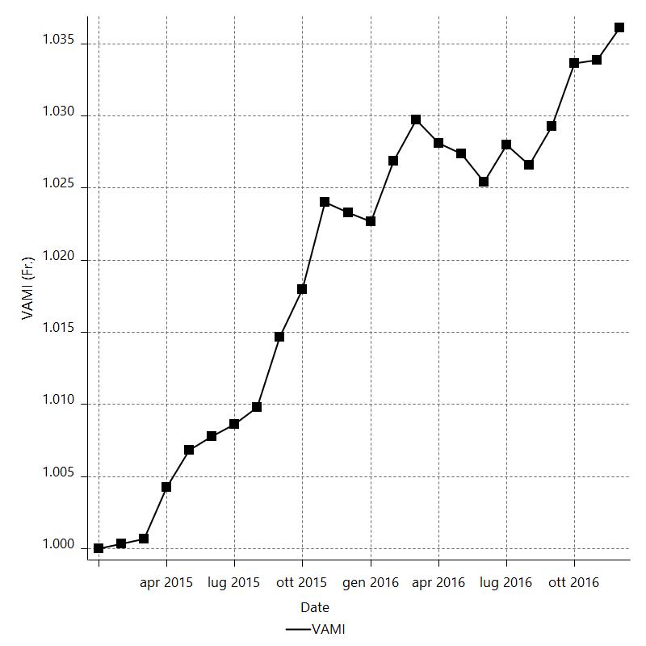
Strategy Performance Summary

 | All Trades | Long Trades | Short Trades
Net Profit | 3397.3 | 1647.9 | 1749.4
Gross Profit | 14320.7 | 7316.3 | 7004.4
Gross Loss | -10923.4 | -5668.4 | -5255
Adjusted Net Profit | 1571.3822419 | 352.67070855 | 461.14326152
Adjusted Gross Profit | 13205.835017 | 6536.3797995 | 6206.1745382
Adjusted Gross Loss | -11634.452775 | -6183.7090909 | -5745.0312767
Select Net Profit | 3397.3 | 1647.9 | 1749.4
Select Gross Profit | 14320.7 | 7316.3 | 7004.4
Select Gross Loss | -10923.4 | -5668.4 | -5255
Account Size Required | 834.1 | 640.5 | 501.6
Return on Account | 407.30128282 | 257.28337237 | 348.76395534
Return on Initial Capital | 3.3973 | 1.6479 | 1.7494
Max Strategy Drawdown | -858.3 | -698.1 | -532.8
Max Strategy Drawdown (%) | -0.83171908961 | -0.68464064947 | -0.53207425072
Max Close To Close Drawdown | -834.1 | -640.5 | -501.6
Max Close To Close Drawdown (%) | -0.80843854374 | -0.62849079783 | -0.50094126224
Return on Max Strategy Drawdown | 3.9581731329 | 2.3605500645 | 3.2834084084
Profit Factor | 1.3110112236 | 1.2907169572 | 1.3329019981
Adjusted Profit Factor | 1.1350628407 | 1.0570322283 | 1.0802681899
Select Profit Factor | 1.3110112236 | 1.2907169572 | 1.3329019981
Max # Contracts Held | 20 | 20 | 20
Slippage Paid | 1084.5 | 568.5 | 516
Commission Paid | 802 | 418 | 384
Open Position P/L | n/a | n/a | n/a
Annual Rate of Return | 1.7669306001 | 0.8570703017 | 0.90986029844
Monthly Rate of Return | 0.14724421668 | 0.071422525142 | 0.075821691536
Buy & Hold Return | 12565.508701 | 12565.508701 | 9841.5130166
Avg Monthly Return | 141.55416667
Monthly Return StdDev | 232.77777232
Total # of Trades | 401 | 209 | 192
% Profitable | 41.14713217 | 42.105263158 | 40.104166667

Performance Ratios

Upside Potential Ratio | n/a
Sharpe Ratio | -0.11888638703
Annualized Sharpe Ratio | -0.41183452532
Sortino Ratio | -0.25381248169
Fouse Ratio | 0.0013920613183
Calmar Ratio | 0.18666537008
Sterling Ratio | 0.0019983845719
Net Profit as % of Largest loss | 6794.6
Net Profit as % of Max Trade Drawdown | 2193.2214332
Net Profit as % of Max Strategy Drawdown | 395.81731329
Select Net Profit as % of Largest loss | 6794.6
Select Net Profit as % of Max Trade Drawdown | 2193.2214332
Select Net Profit as % of Max Strategy Drawdown | 395.81731329
Adj Net Profit as % of Largest loss | 3142.7644839
Adj Net Profit as % of Max Trade Drawdown | 1014.4494783
Adj Net Profit as % of Max Strategy Drawdown | 183.08076919

Time Analysis

Trading Period | 1 Yr, 11 Mths, 8 Dys, 6 Hrs, 30 Mins
Time in the Market | 4 Mths, 24 Dys, 22 Hrs
Percent in the Market | 20.635438607
Longest flat period | 4 Dys, 4 Hrs
Max Run-up Date | 2015-01-29
Max Drawdown Date | 2015-07-13
Max Strategy Drawdown Date | 6/7/16
Max Close To Close Drawdown Date | 6/6/16

Equity Curve Detailed

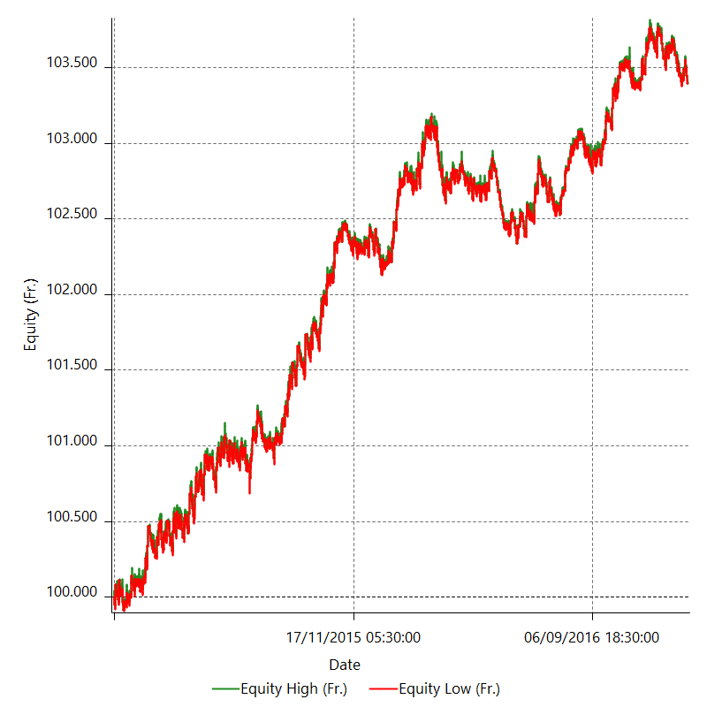

Equity Curve Detailed with DrawDown

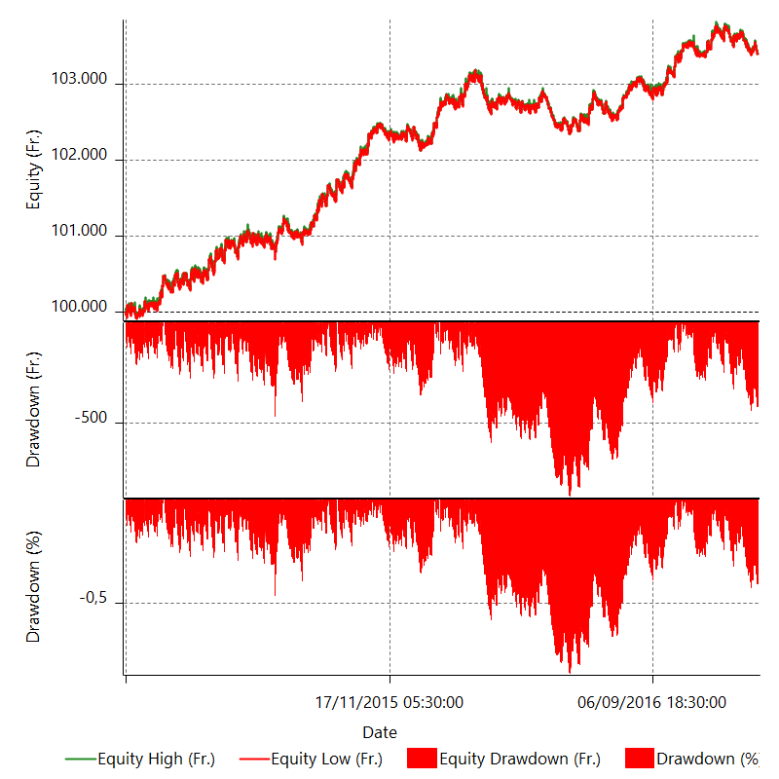

Equity Curve Detailed Long

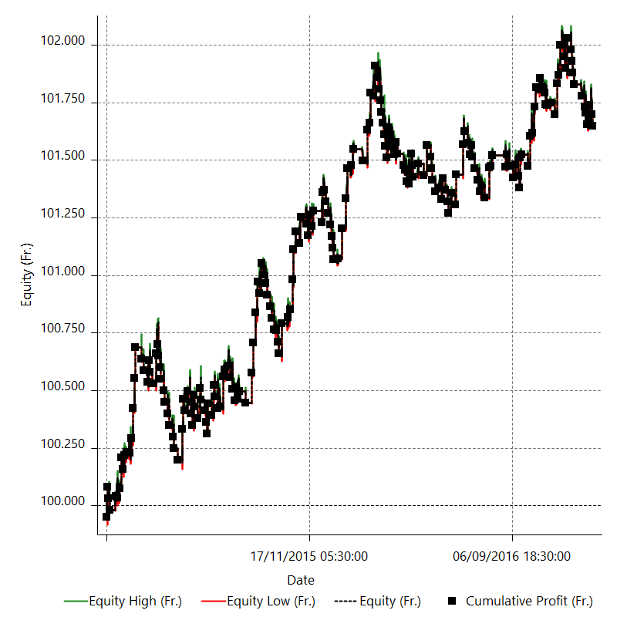

Equity Curve Detailed Short

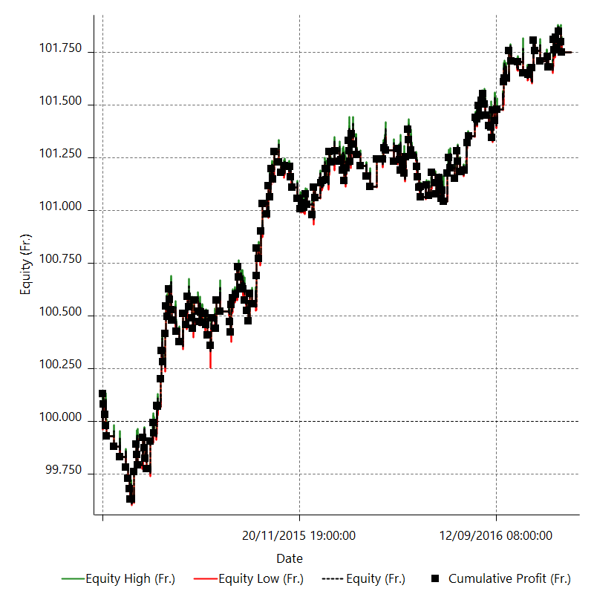

Equity Run-up & Drawdown

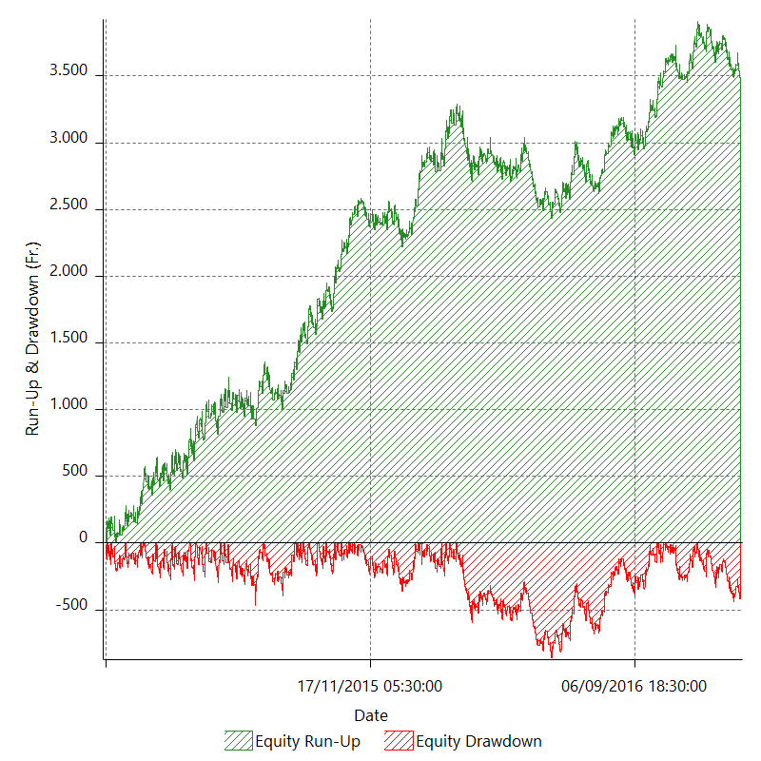

Equity Run-up & Drawdown (%)

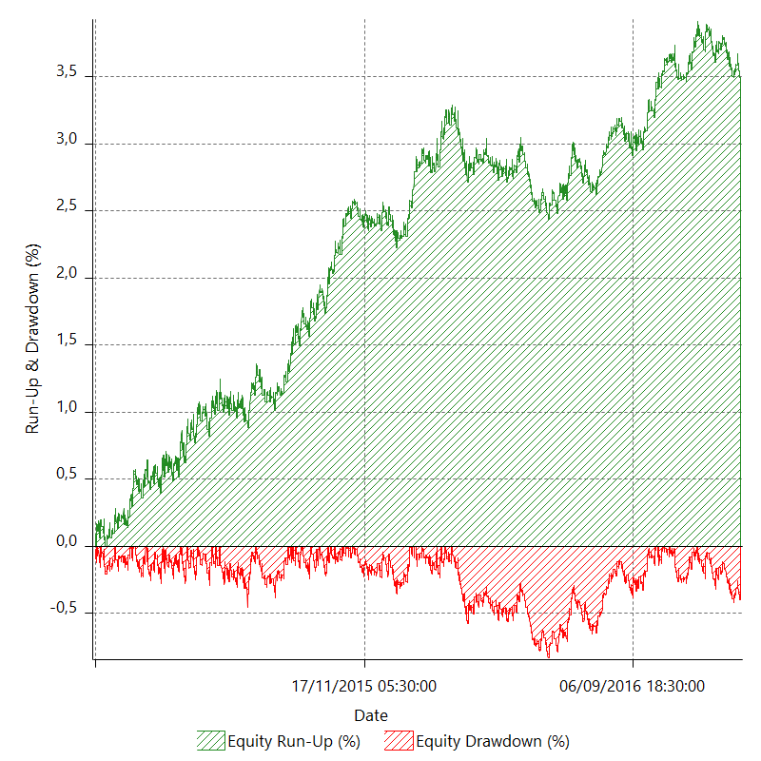

Equity Curve Close To Close

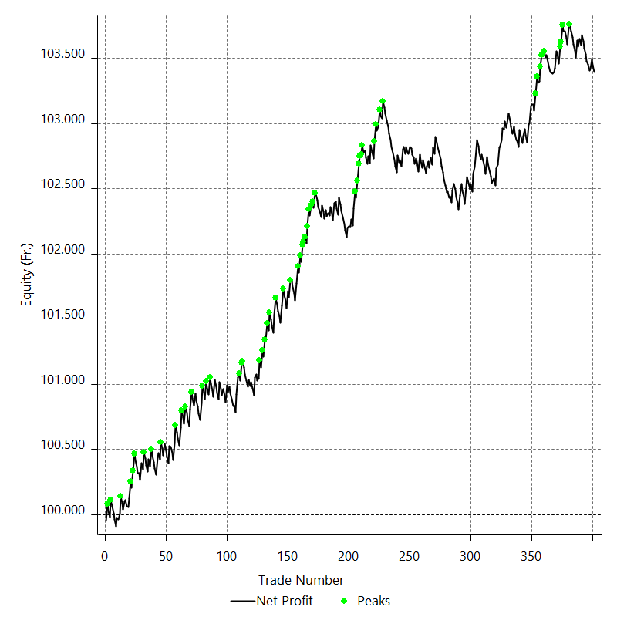

Equity Curve Close To Close With Drawdown

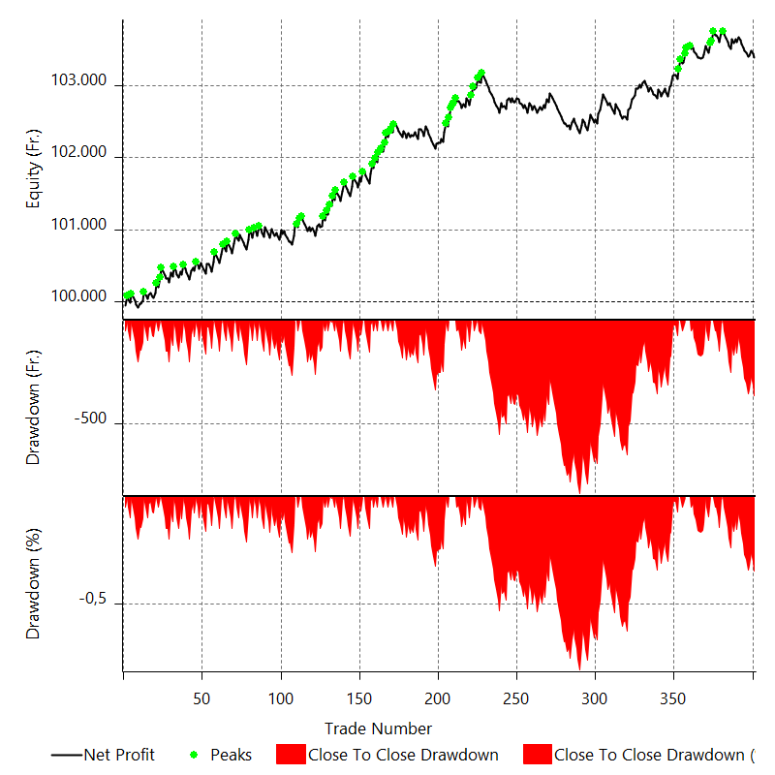

Buy & Hold Return

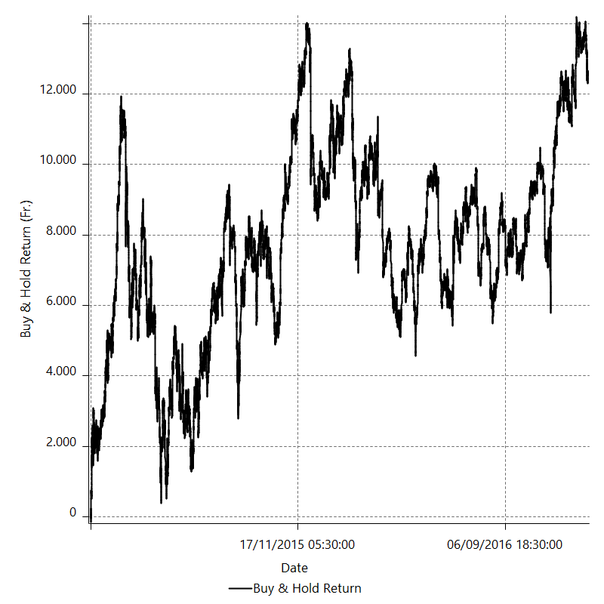

Value Added Monthly Index

Trade Analysis
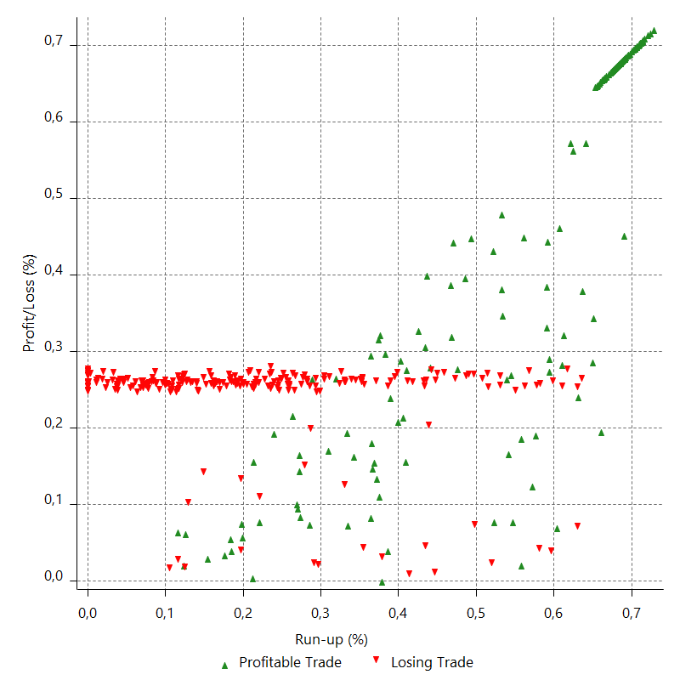
Total Trade Analysis

 | All Trades | Long Trades | Short Trades
Total # of Trades | 401 | 209 | 192
Total # of Open Trades | 0 | 0 | 0
Number Winning Trades | 165 | 88 | 77
Number Losing Trades | 236 | 121 | 115
% Profitable | 41.14713217 | 42.105263158 | 40.104166667
Avg Trade (win & loss) | 8.4720698254 | 7.8846889952 | 9.1114583333
Average Winning Trade | 86.792121212 | 83.139772727 | 90.966233766
Average Losing Trade | -46.28559322 | -46.846280992 | -45.695652174
Ratio Avg Win / Avg Loss | 1.8751433259 | 1.7747358161 | 1.9906977894
Largest Winning Trade | 131.5 | 131.5 | 131.5
Largest Losing Trade | -50 | -50 | -50
Avg # Bars in Trades | 18.3 | 19 | 17.6
Avg # Bars in Winning Trades | 25.9 | 26.4 | 25.4
Avg # Bars in Losing Trades | 13 | 13.6 | 12.4
Avg # Bars Between Trades | n/a | n/a | n/a
Avg # Bars Between Winning Trades | 119.8 | 246.8 | 286.8
Avg # Bars Between Losing Trades | 88.8 | 185 | 196.7

Outliers

 | Total | Positive | Negative
1 Std. Deviation of Avg. Trade | 72.86532075 | 47.620564563 | 11.687125307
Avg. Trade +1 Std. Deviation | 81.337390575 | 134.41268577 | -34.598467913
Avg. Trade - 1 Std. Deviation | -64.393250924 | 39.17155665 | -57.972718527
Number of Outliers | 0 | 0 | 0
Outlier Profit/Loss

Run-up/Drawdown

 | Run-up | Drawdown
Max Value | 132.5 | -154.9
Max Value Date | 2015-01-29 | 2015-07-13
Avg Value | 68.981546135 | -35.441147132
Max Value (%) | 0.72814200143 | -0.82459409103
Max Value (%) Date | 2015-01-29 | 2015-07-13
Avg Value (%) | 0.35534742498 | -0.18225127201
1 Std. Deviation | 44.953899259 | 18.211576749
Avg. Trade +1 Std. Deviation | 113.93544539 | -17.229570383
Avg. Trade - 1 Std. Deviation | 24.027646875 | -53.652723881

Trade Series Analysis

Z-score | 1.4749114199
Confidence Limits | 0.85976367019
Strategy ME | 8.4720698254
Max Consec. Winners | 6
Max Consec. Losers | 11
Largest Consec. Profit | 437.2
Largest Consec. Loss | -550
Largest Consec. Profit (%) | 0.42642217942
Largest Consec. Loss (%) | -0.53307900619

Trade Series Statistics

Consecutive Winners | Number of Series | Avg. Gain per Series | Avg. Loss Next Trade
1 | 62 | 90.016129032 | -45.312903226
2 | 32 | 92.3015625 | -49.725
3 | 5 | 77.973333333 | -41
4 | 2 | 66.55 | -50
5 | 2 | 69.32 | -50
6 | 1 | 72.866666667 | -7.8
Consecutive Losers | Number of Series | Avg. Loss per Series | Avg. Gain Next Trade
1 | 46 | -45.62173913 | 91.369565217
2 | 26 | -47.369230769 | 93.796153846
3 | 14 | -48.89047619 | 107.37142857
4 | 11 | -45.090909091 | 98.090909091
5 | 4 | -38.68 | 91
6 | 2 | -47.933333333 | 42.7
9 | 1 | -47.266666667 | 4.8
11 | 1 | -50 | 131.5

Total Trades

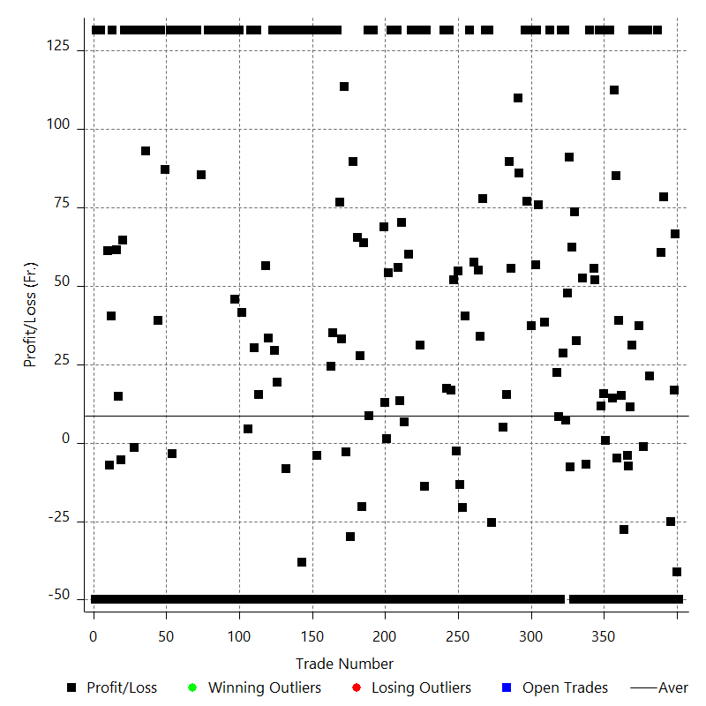

Winning Trades

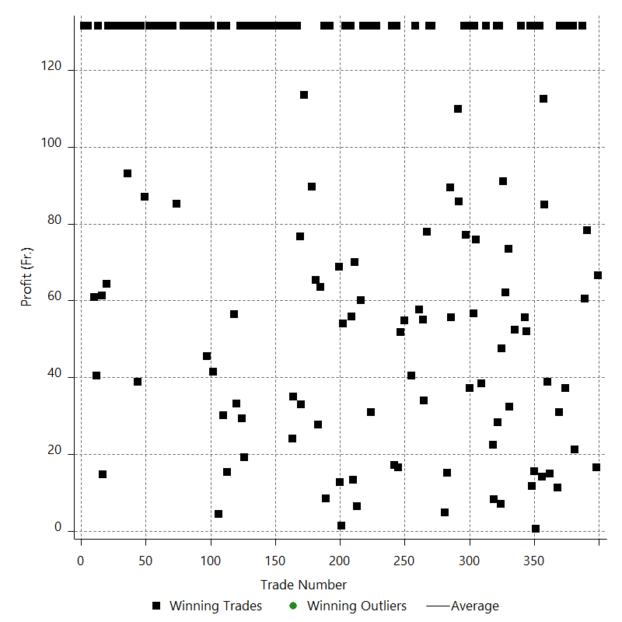

Losing Trades

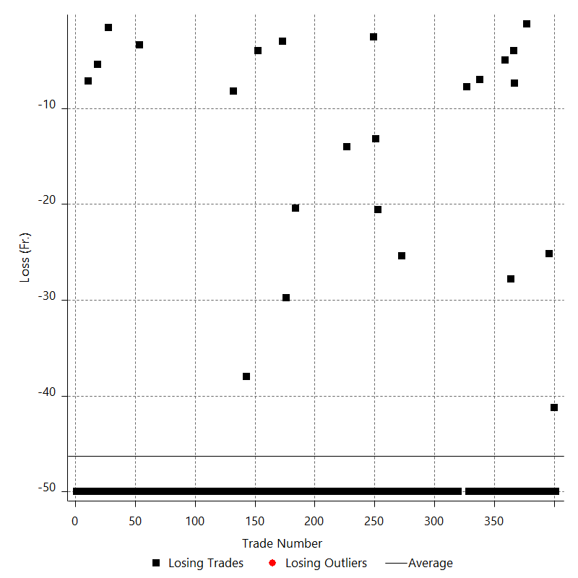

Drawdown

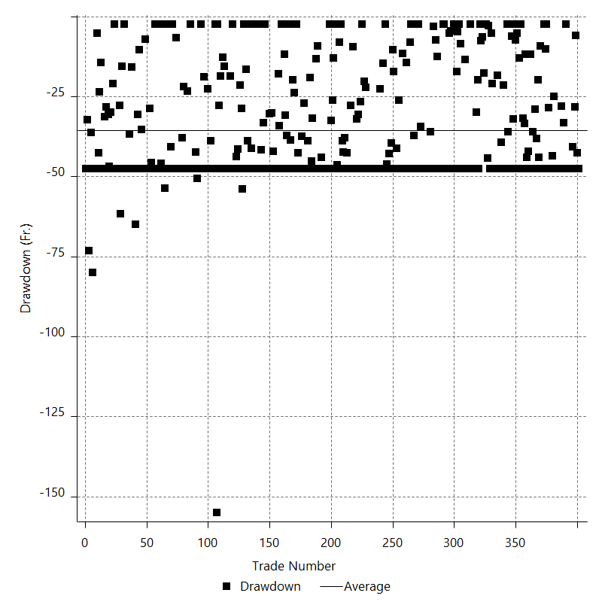

Drawdown P/L

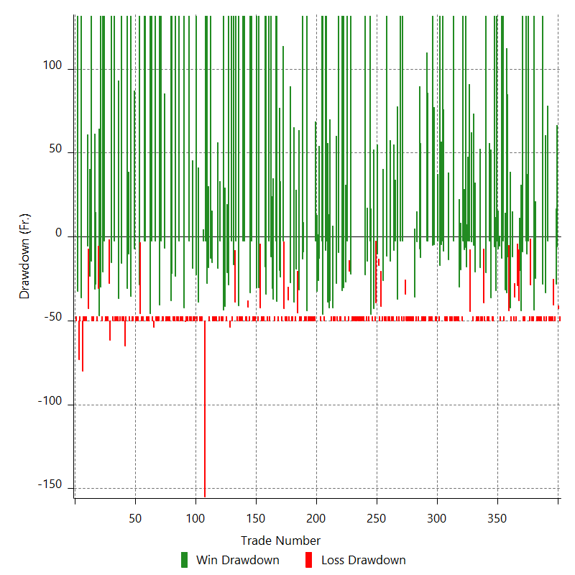

Maximum Adverse Excursion

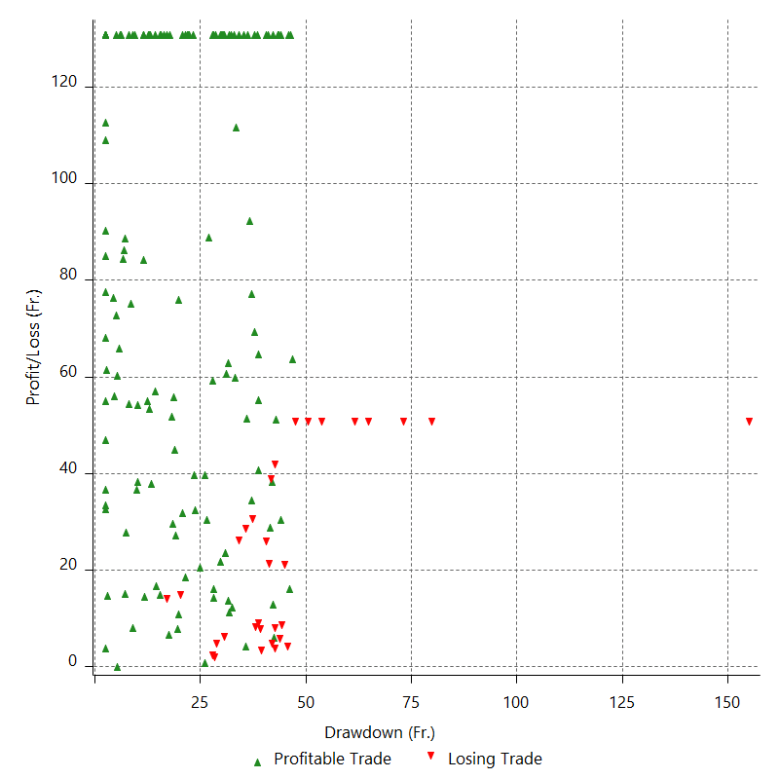

Maximum Adverse Excursion (%)

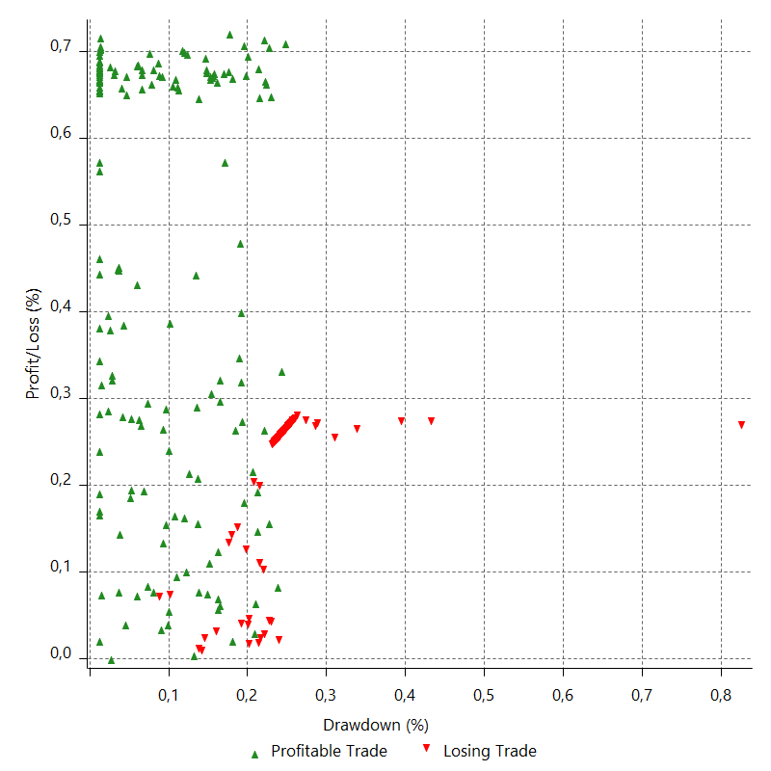

Run-up

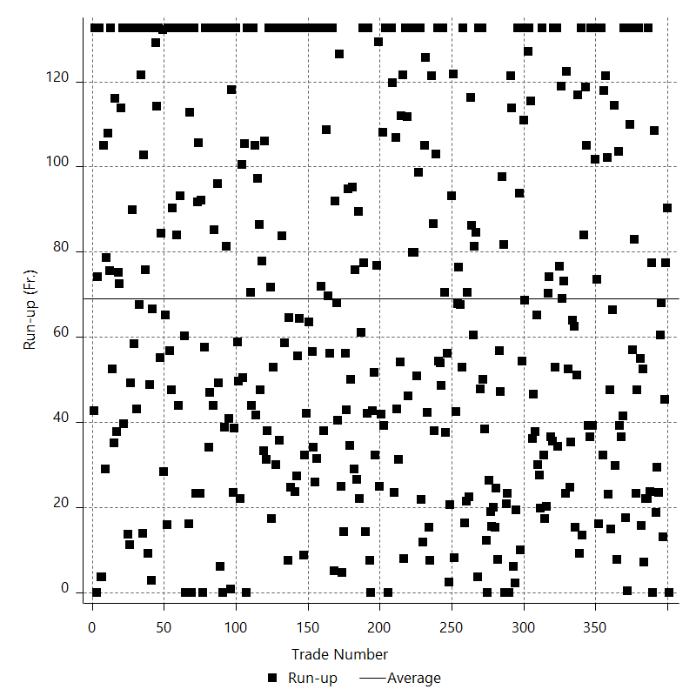

Run-up P/L

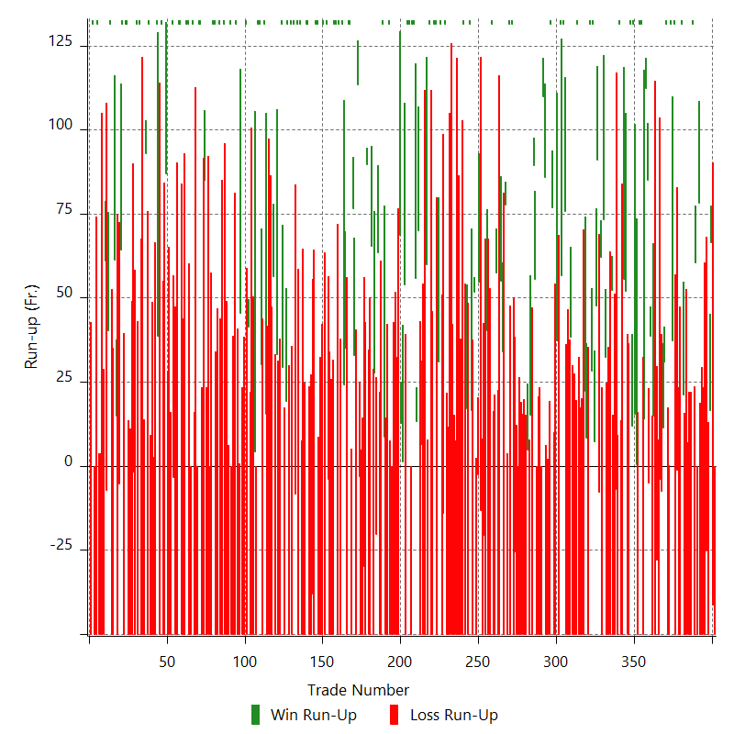

Maximum Favorable Excursion

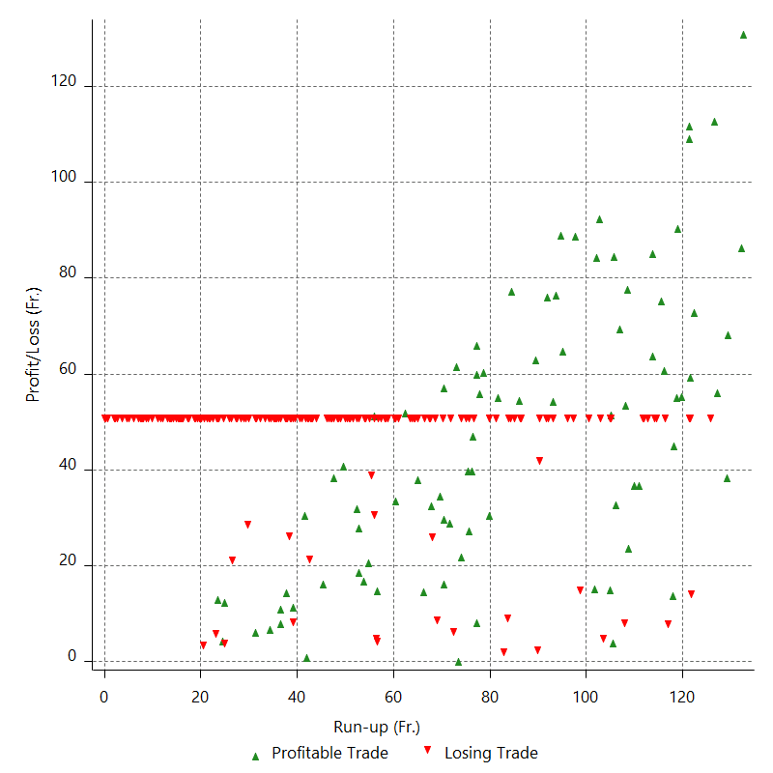

Maximum Favorable Excursion (%)

Periodical Analysis
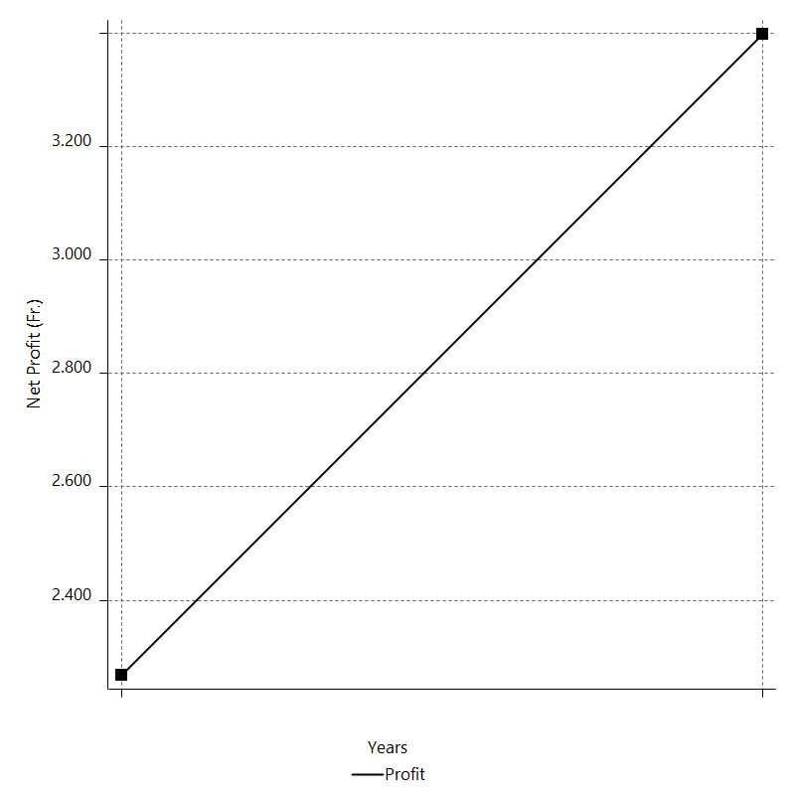
Daily Period Analysis

Period | Profit (Fr.) | Profit (%) | Gross Profit | Gross Loss | # Trades | % Profitable
2016-12-30 | -50 | -0.048333789282 | 0 | -50 | 1 | 0
2016-12-29 | -47.3 | -0.045702867589 | 0 | -47.3 | 1 | 0
2016-12-28 | 6.1 | 0.0058943747373 | 6.1 | 0 | 1 | 100
2016-12-27 | 35.5 | 0.03431509961 | 35.5 | 0 | 1 | 100
2016-12-26 | 31.1 | 0.030071000436 | 31.1 | 0 | 1 | 100
2016-12-23 | 16.6 | 0.016053335757 | 16.6 | 0 | 1 | 100
2016-12-22 | -50 | -0.048330051723 | 0 | -50 | 1 | 0
2016-12-21 | -23.1 | -0.022323499397 | 0 | -23.1 | 1 | 0
2016-12-20 | -2.1 | -0.0020293678519 | 0 | -2.1 | 1 | 0
2016-12-19 | -50 | -0.0482949469 | 0 | -50 | 1 | 0
2016-12-16 | -50 | -0.04827163414 | 0 | -50 | 1 | 0
2016-12-15 | -50 | -0.048248343876 | 0 | -50 | 1 | 0
2016-12-14 | -50 | -0.048225076075 | 0 | -50 | 1 | 0
2016-12-13 | -18.1 | -0.017454430436 | 0 | -18.1 | 1 | 0
2016-12-12 | 96.3 | 0.092951604356 | 96.3 | 0 | 1 | 100
2016-12-09 | -50 | -0.048238196355 | 0 | -50 | 1 | 0
2016-12-08 | 20.1 | 0.019395516065 | 20.1 | 0 | 1 | 100
2016-12-07 | 40.5 | 0.039095796285 | 40.5 | 0 | 1 | 100
2016-12-06 | -50 | -0.048243129937 | 0 | -50 | 1 | 0
2016-12-05 | 131.5 | 0.12704062015 | 131.5 | 0 | 1 | 100
2016-12-02 | -50 | -0.048281096406 | 0 | -50 | 1 | 0
2016-12-01 | -50 | -0.048257797012 | 0 | -50 | 1 | 0
2016-11-30 | -50 | -0.048234520095 | 0 | -50 | 1 | 0
2016-11-29 | -50 | -0.048211265623 | 0 | -50 | 1 | 0
2016-11-28 | -50 | -0.048188033562 | 0 | -50 | 1 | 0
2016-11-25 | 4.5 | 0.0043371111178 | 4.5 | 0 | 1 | 100
2016-11-24 | 16.7 | 0.016098092328 | 16.7 | 0 | 1 | 100
2016-11-23 | 131.5 | 0.12692131361 | 131.5 | 0 | 1 | 100
2016-11-22 | -29.5 | -0.028464737497 | 0 | -29.5 | 1 | 0
2016-11-21 | -20.5 | -0.019776668355 | 0 | -20.5 | 1 | 0
2016-11-18 | -50 | -0.048212520792 | 0 | -50 | 1 | 0
2016-11-17 | 0.5 | 0.00048212753237 | 0.5 | 0 | 1 | 100
2016-11-16 | -1.7 | -0.0016392067396 | 0 | -1.7 | 1 | 0
2016-11-15 | -50 | -0.048188730198 | 0 | -50 | 1 | 0
2016-11-14 | 131.5 | 0.12689718529 | 131.5 | 0 | 1 | 100
2016-11-11 | -17.5 | -0.016884606738 | 0 | -17.5 | 1 | 0
2016-11-10 | 54.7 | 0.052804324742 | 54.7 | 0 | 1 | 100
2016-11-09 | 131.5 | 0.12710410454 | 131.5 | 0 | 1 | 100
2016-11-08 | -50 | -0.048305211649 | 0 | -50 | 1 | 0
2016-11-07 | -50 | -0.048281888981 | 0 | -50 | 1 | 0
2016-11-04 | 131.5 | 0.12714281571 | 131.5 | 0 | 1 | 100
2016-11-03 | 58.7 | 0.056787235545 | 58.7 | 0 | 1 | 100
2016-11-02 | -27.7 | -0.02679020465 | 0 | -27.7 | 1 | 0
2016-11-01 | 6.9 | 0.0066738176462 | 6.9 | 0 | 1 | 100
2016-10-31 | 4.5 | 0.0043526792191 | 4.5 | 0 | 1 | 100
2016-10-28 | -7.1 | -0.0068670889443 | 0 | -7.1 | 1 | 0
2016-10-27 | -0.3 | -0.00029015784587 | 0 | -0.3 | 1 | 0
2016-10-26 | 7.1 | 0.0068675406176 | 7.1 | 0 | 1 | 100
2016-10-25 | -11.1 | -0.010735424968 | 0 | -11.1 | 1 | 0
2016-10-24 | -50 | -0.04833439669 | 0 | -50 | 1 | 0
2016-10-21 | -27.8 | -0.026866704422 | 0 | -27.8 | 1 | 0
2016-10-20 | -50 | -0.048298072521 | 0 | -50 | 1 | 0
2016-10-19 | -13.7 | -0.013231920802 | 0 | -13.7 | 1 | 0
2016-10-18 | 28.7 | 0.027727111125 | 28.7 | 0 | 1 | 100
2016-10-17 | -50 | -0.048281749113 | 0 | -50 | 1 | 0
2016-10-14 | 38.8 | 0.037480680062 | 38.8 | 0 | 1 | 100
2016-10-13 | 25.1 | 0.024252402775 | 25.1 | 0 | 1 | 100
2016-10-12 | -30.1 | -0.029075102632 | 0 | -30.1 | 1 | 0
2016-10-11 | 11.7 | 0.011302895377 | 11.7 | 0 | 1 | 100
2016-10-10 | 73.3 | 0.070862335654 | 73.3 | 0 | 1 | 100
2016-10-07 | 32.3 | 0.031235584971 | 32.3 | 0 | 1 | 100
2016-10-06 | 80.1 | 0.077520430166 | 80.1 | 0 | 1 | 100
2016-10-05 | -22.1 | -0.02138370987 | 0 | -22.1 | 1 | 0
2016-10-04 | 36.3 | 0.035135810069 | 36.3 | 0 | 1 | 100
2016-10-03 | -50 | -0.048373021785 | 0 | -50 | 1 | 0
2016-09-30 | 131.5 | 0.12738310542 | 131.5 | 0 | 1 | 100
2016-09-29 | 131.5 | 0.12754557693 | 131.5 | 0 | 1 | 100
2016-09-28 | -50 | -0.04847290946 | 0 | -50 | 1 | 0
2016-09-27 | -15.7 | -0.015218177289 | 0 | -15.7 | 1 | 0
2016-09-26 | 16.3 | 0.015802260402 | 16.3 | 0 | 1 | 100
2016-09-23 | -33.3 | -0.032272726832 | 0 | -33.3 | 1 | 0
2016-09-22 | 48.9 | 0.047413951919 | 48.9 | 0 | 1 | 100
2016-09-21 | 131.5 | 0.12766655631 | 131.5 | 0 | 1 | 100
2016-09-20 | 14.7 | 0.014273507593 | 14.7 | 0 | 1 | 100
2016-09-19 | -2.9 | -0.0028157827536 | 0 | -2.9 | 1 | 0
2016-09-16 | 131.5 | 0.12784441675 | 131.5 | 0 | 1 | 100
2016-09-15 | -50 | -0.048586426507 | 0 | -50 | 1 | 0
2016-09-14 | -50 | -0.048562831563 | 0 | -50 | 1 | 0
2016-09-13 | -2.7 | -0.0026223241367 | 0 | -2.7 | 1 | 0
2016-09-12 | 54.7 | 0.053154583635 | 54.7 | 0 | 1 | 100
2016-09-09 | 55.6 | 0.054058363587 | 55.6 | 0 | 1 | 100
2016-09-08 | -50 | -0.048590014946 | 0 | -50 | 1 | 0
2016-09-07 | -50 | -0.048566416517 | 0 | -50 | 1 | 0
2016-09-06 | 131.5 | 0.1278930328 | 131.5 | 0 | 1 | 100
2016-09-05 | -50 | -0.048604893735 | 0 | -50 | 1 | 0
2016-09-02 | -7 | -0.006804222117 | 0 | -7 | 1 | 0
2016-09-01 | -50 | -0.048577976883 | 0 | -50 | 1 | 0
2016-08-31 | -50 | -0.048554390142 | 0 | -50 | 1 | 0
2016-08-30 | 49.5 | 0.048091963493 | 49.5 | 0 | 1 | 100
2016-08-29 | 2.9 | 0.0028175883581 | 2.9 | 0 | 1 | 100
2016-08-26 | -50 | -0.048555521782 | 0 | -50 | 1 | 0
2016-08-25 | -50 | -0.048531956838 | 0 | -50 | 1 | 0
2016-08-24 | -50 | -0.048508414755 | 0 | -50 | 1 | 0
2016-08-23 | -0.9 | -0.00087314384172 | 0 | -0.9 | 1 | 0
2016-08-22 | 33.3 | 0.032316762501 | 33.3 | 0 | 1 | 100
2016-08-19 | -37.9 | -0.036767416502 | 0 | -37.9 | 1 | 0
2016-08-18 | 111.3 | 0.10809067963 | 111.3 | 0 | 1 | 100
2016-08-17 | -50 | -0.048534689198 | 0 | -50 | 1 | 0
2016-08-16 | 14.7 | 0.014271235015 | 14.7 | 0 | 1 | 100
2016-08-15 | 47.5 | 0.046135810227 | 47.5 | 0 | 1 | 100
2016-08-12 | -7.8 | -0.0075754117673 | 0 | -7.8 | 1 | 0
2016-08-11 | -13.1 | -0.01272118845 | 0 | -13.1 | 1 | 0
2016-08-10 | 104.1 | 0.10119204423 | 104.1 | 0 | 1 | 100
2016-08-09 | 7.9 | 0.0076799091632 | 7.9 | 0 | 1 | 100
2016-08-08 | 39.7 | 0.038608874595 | 39.7 | 0 | 1 | 100
2016-08-05 | -2.9 | -0.0028202160869 | 0 | -2.9 | 1 | 0
2016-08-04 | 10.1 | 0.0098230967264 | 10.1 | 0 | 1 | 100
2016-08-03 | 131.5 | 0.12805855441 | 131.5 | 0 | 1 | 100
2016-08-02 | 12.5 | 0.012174348356 | 12.5 | 0 | 1 | 100
2016-08-01 | 15.9 | 0.015488169571 | 15.9 | 0 | 1 | 100
2016-07-29 | 46.8 | 0.045608611841 | 46.8 | 0 | 1 | 100
2016-07-28 | 84.7 | 0.082611982151 | 84.7 | 0 | 1 | 100
2016-07-27 | -50 | -0.048743632863 | 0 | -50 | 1 | 0
2016-07-26 | -13.3 | -0.012964125438 | 0 | -13.3 | 1 | 0
2016-07-25 | 21.7 | 0.021156469151 | 21.7 | 0 | 1 | 100
2016-07-22 | 22.4 | 0.021843706331 | 22.4 | 0 | 1 | 100
2016-07-21 | -55.1 | -0.05370276155 | 0 | -55.1 | 1 | 0
2016-07-20 | 5.1 | 0.0049709201173 | 5.1 | 0 | 1 | 100
2016-07-19 | -50 | -0.048710771998 | 0 | -50 | 1 | 0
2016-07-18 | -50 | -0.048687056157 | 0 | -50 | 1 | 0
2016-07-15 | -50 | -0.048663363398 | 0 | -50 | 1 | 0
2016-07-14 | 131.5 | 0.12814865634 | 131.5 | 0 | 1 | 100
2016-07-13 | -50 | -0.048701994444 | 0 | -50 | 1 | 0
2016-07-12 | -50 | -0.048678287147 | 0 | -50 | 1 | 0
2016-07-11 | -50 | -0.04865460292 | 0 | -50 | 1 | 0
2016-07-08 | -12.5 | -0.012162171366 | 0 | -12.5 | 1 | 0
2016-07-07 | 50.9 | 0.049548900579 | 50.9 | 0 | 1 | 100
2016-07-06 | -50 | -0.048649111473 | 0 | -50 | 1 | 0
2016-07-05 | -50 | -0.048625455621 | 0 | -50 | 1 | 0
2016-07-04 | -50 | -0.048601822763 | 0 | -50 | 1 | 0
2016-07-01 | 75.8 | 0.073734691297 | 75.8 | 0 | 1 | 100
2016-06-30 | 131.5 | 0.12808088088 | 131.5 | 0 | 1 | 100
2016-06-29 | -25.3 | -0.02463610621 | 0 | -25.3 | 1 | 0
2016-06-28 | 81.9 | 0.079814526244 | 81.9 | 0 | 1 | 100
2016-06-27 | 131.5 | 0.12831596758 | 131.5 | 0 | 1 | 100
2016-06-24 | -50 | -0.048765548895 | 0 | -50 | 1 | 0
2016-06-23 | -27.7 | -0.027008817355 | 0 | -27.7 | 1 | 0
2016-06-22 | 51.2 | 0.04994736991 | 64.9 | -13.7 | 2 | 50
2016-06-21 | -36.3 | -0.035399369248 | 0 | -36.3 | 1 | 0
2016-06-20 | -50 | -0.048735698509 | 0 | -50 | 1 | 0
2016-06-17 | 77 | 0.075109347505 | 77 | 0 | 1 | 100
2016-06-16 | 131.5 | 0.12843590462 | 131.5 | 0 | 1 | 100
2016-06-15 | -50 | -0.048811107846 | 0 | -50 | 1 | 0
2016-06-14 | -50 | -0.048787294227 | 0 | -50 | 1 | 0
2016-06-13 | -50 | -0.048763503833 | 0 | -50 | 1 | 0
2016-06-10 | -4.5 | -0.0043885227452 | 0 | -4.5 | 1 | 0
2016-06-09 | 90.3 | 0.088140642402 | 90.3 | 0 | 1 | 100
2016-06-08 | 1.5 | 0.0014641517095 | 1.5 | 0 | 1 | 100
2016-06-07 | 108.3 | 0.10582362143 | 108.3 | 0 | 1 | 100
2016-06-06 | -50 | -0.048832846144 | 0 | -50 | 1 | 0
2016-06-03 | -50 | -0.048809011315 | 0 | -50 | 1 | 0
2016-06-02 | -50 | -0.048785199741 | 0 | -50 | 1 | 0
2016-06-01 | -50 | -0.048761411389 | 0 | -50 | 1 | 0
2016-05-31 | 0.5 | 0.00048761649158 | 0.5 | 0 | 1 | 100
2016-05-30 | 55.1 | 0.053764227761 | 55.1 | 0 | 1 | 100
2016-05-27 | 89.4 | 0.087308865366 | 89.4 | 0 | 1 | 100
2016-05-26 | -50 | -0.048806629112 | 0 | -50 | 1 | 0
2016-05-25 | -27.5 | -0.026836442132 | 0 | -27.5 | 1 | 0
2016-05-24 | 42.7 | 0.041687046458 | 42.7 | 0 | 1 | 100
2016-05-23 | -50 | -0.048790055416 | 0 | -50 | 1 | 0
2016-05-20 | 4.8 | 0.0046840647143 | 4.8 | 0 | 1 | 100
2016-05-19 | -50 | -0.048768545459 | 0 | -50 | 1 | 0
2016-05-18 | -50 | -0.048744773342 | 0 | -50 | 1 | 0
2016-05-17 | -50 | -0.048721024389 | 0 | -50 | 1 | 0
2016-05-16 | -50 | -0.048697298566 | 0 | -50 | 1 | 0
2016-05-13 | -50 | -0.04867359584 | 0 | -50 | 1 | 0
2016-05-12 | -50 | -0.048649916176 | 0 | -50 | 1 | 0
2016-05-11 | -50 | -0.048626259542 | 0 | -50 | 1 | 0
2016-05-10 | -10.9 | -0.010599400988 | 0 | -10.9 | 1 | 0
2016-05-09 | -14.5 | -0.014098132727 | 0 | -14.5 | 1 | 0
2016-05-06 | -50 | -0.048590628811 | 0 | -50 | 1 | 0
2016-05-05 | 131.5 | 0.12795687415 | 131.5 | 0 | 1 | 100
2016-05-04 | -50 | -0.048629144419 | 0 | -50 | 1 | 0
2016-05-03 | 131.5 | 0.1280584297 | 131.5 | 0 | 1 | 100
2016-05-02 | -50 | -0.048667721134 | 0 | -50 | 1 | 0
2016-04-29 | 34.7 | 0.033786810097 | 34.7 | 0 | 1 | 100
2016-04-28 | 43.1 | 0.041983368352 | 43.1 | 0 | 1 | 100
2016-04-27 | -50 | -0.04868089382 | 0 | -50 | 1 | 0
2016-04-26 | -1.9 | -0.0018498397455 | 0 | -1.9 | 1 | 0
2016-04-25 | 35.9 | 0.034964456049 | 35.9 | 0 | 1 | 100
2016-04-22 | 55 | 0.053595424705 | 55 | 0 | 1 | 100
2016-04-21 | -50 | -0.048699385511 | 0 | -50 | 1 | 0
2016-04-20 | -50 | -0.048675680754 | 0 | -50 | 1 | 0
2016-04-19 | 15.1 | 0.014702216822 | 15.1 | 0 | 1 | 100
2016-04-18 | 42.5 | 0.041397542057 | 42.5 | 0 | 1 | 100
2016-04-15 | -50 | -0.048679282389 | 0 | -50 | 1 | 0
2016-04-14 | -50 | -0.048655597194 | 0 | -50 | 1 | 0
2016-04-13 | 131.5 | 0.12812817885 | 131.5 | 0 | 1 | 100
2016-04-12 | -50 | -0.048694215906 | 0 | -50 | 1 | 0
2016-04-11 | -50 | -0.04867051618 | 0 | -50 | 1 | 0
2016-04-08 | 16.9 | 0.016453341148 | 16.9 | 0 | 1 | 100
2016-04-07 | 23.5 | 0.022884141971 | 23.5 | 0 | 1 | 100
2016-04-06 | -50 | -0.048665968472 | 0 | -50 | 1 | 0
2016-04-05 | -2.3 | -0.002238584436 | 0 | -2.3 | 1 | 0
2016-04-04 | -18.3 | -0.017808173854 | 0 | -18.3 | 1 | 0
2016-04-01 | -50 | -0.04863254996 | 0 | -50 | 1 | 0
2016-03-31 | -24.3 | -0.02362983427 | 0 | -24.3 | 1 | 0
2016-03-30 | 11.1 | 0.010795040117 | 11.1 | 0 | 1 | 100
2016-03-29 | -9.3 | -0.0090436751162 | 0 | -9.3 | 1 | 0
2016-03-28 | 64.1 | 0.062372166251 | 64.1 | 0 | 1 | 100
2016-03-25 | -2.6 | -0.0025298522566 | 0 | -2.6 | 1 | 0
2016-03-24 | -50 | -0.048627347242 | 0 | -50 | 1 | 0
2016-03-23 | 20.7 | 0.020135775436 | 20.7 | 0 | 1 | 100
2016-03-22 | 31.1 | 0.03026145508 | 31.1 | 0 | 1 | 100
2016-03-21 | -50 | -0.04862819852 | 0 | -50 | 1 | 0
2016-03-18 | 16.6 | 0.016147168798 | 16.6 | 0 | 1 | 100
2016-03-17 | 131.5 | 0.1280766395 | 131.5 | 0 | 1 | 100
2016-03-16 | -50 | -0.048674638274 | 0 | -50 | 1 | 0
2016-03-15 | -18.7 | -0.018201001347 | 0 | -18.7 | 1 | 0
2016-03-14 | 35.9 | 0.034954243046 | 35.9 | 0 | 1 | 100
2016-03-11 | -50 | -0.04865910115 | 0 | -50 | 1 | 0
2016-03-10 | 131.5 | 0.12813741788 | 131.5 | 0 | 1 | 100
2016-03-09 | -50 | -0.048697725427 | 0 | -50 | 1 | 0
2016-03-08 | -50 | -0.048674022285 | 0 | -50 | 1 | 0
2016-03-07 | -50 | -0.048650342207 | 0 | -50 | 1 | 0
2016-03-04 | -50 | -0.048626685158 | 0 | -50 | 1 | 0
2016-03-03 | -50 | -0.048603051105 | 0 | -50 | 1 | 0
2016-03-02 | -50 | -0.048579440015 | 0 | -50 | 1 | 0
2016-03-01 | -50 | -0.048555851854 | 0 | -50 | 1 | 0
2016-02-29 | -50 | -0.048532286589 | 0 | -50 | 1 | 0
2016-02-26 | -54.1 | -0.05248437353 | 0 | -54.1 | 1 | 0
2016-02-25 | 4.1 | 0.0039777170233 | 4.1 | 0 | 1 | 100
2016-02-24 | -50 | -0.048485224613 | 0 | -50 | 1 | 0
2016-02-23 | -50 | -0.048461727835 | 0 | -50 | 1 | 0
2016-02-22 | 131.5 | 0.12761699761 | 131.5 | 0 | 1 | 100
2016-02-19 | -40.3 | -0.039094710088 | 0 | -40.3 | 1 | 0
2016-02-18 | 26.3 | 0.025519932231 | 26.3 | 0 | 1 | 100
2016-02-17 | -29.5 | -0.028616827471 | 0 | -29.5 | 1 | 0
2016-02-16 | -20.5 | -0.019882316086 | 0 | -20.5 | 1 | 0
2016-02-15 | 131.5 | 0.12770065025 | 131.5 | 0 | 1 | 100
2016-02-12 | 31 | 0.030113401241 | 31 | 0 | 1 | 100
2016-02-11 | -50 | -0.048546423002 | 0 | -50 | 1 | 0
2016-02-10 | 131.5 | 0.12784031529 | 131.5 | 0 | 1 | 100
2016-02-09 | 131.5 | 0.12800395595 | 131.5 | 0 | 1 | 100
2016-02-08 | -50 | -0.048647028834 | 0 | -50 | 1 | 0
2016-02-05 | -50 | -0.048623375007 | 0 | -50 | 1 | 0
2016-02-04 | 131.5 | 0.12804321726 | 131.5 | 0 | 1 | 100
2016-02-03 | -50 | -0.048661942565 | 0 | -50 | 1 | 0
2016-02-02 | 20.7 | 0.020150103671 | 20.7 | 0 | 1 | 100
2016-02-01 | 39.3 | 0.038270634737 | 39.3 | 0 | 1 | 100
2016-01-29 | -109.1 | -0.10612964354 | 0 | -109.1 | 1 | 0
2016-01-28 | 59.1 | 0.057524014573 | 59.1 | 0 | 1 | 100
2016-01-27 | -50 | -0.04864300606 | 0 | -50 | 1 | 0
2016-01-26 | -18.7 | -0.018189175204 | 0 | -18.7 | 1 | 0
2016-01-25 | 25.3 | 0.024614941561 | 25.3 | 0 | 1 | 100
2016-01-22 | -50 | -0.048622476615 | 0 | -50 | 1 | 0
2016-01-21 | 2.9 | 0.0028201831758 | 2.9 | 0 | 1 | 100
2016-01-20 | 67.1 | 0.065295811434 | 67.1 | 0 | 1 | 100
2016-01-19 | 37.7 | 0.036699784085 | 37.7 | 0 | 1 | 100
2016-01-18 | -24.3 | -0.023649704087 | 0 | -24.3 | 1 | 0
2016-01-15 | 14.5 | 0.0141139551 | 14.5 | 0 | 1 | 100
2016-01-14 | 41.3 | 0.040216604881 | 41.3 | 0 | 1 | 100
2016-01-13 | 67.4 | 0.065675044945 | 67.4 | 0 | 1 | 100
2016-01-12 | 64.1 | 0.062498537476 | 64.1 | 0 | 1 | 100
2016-01-11 | 131.5 | 0.12837922931 | 131.5 | 0 | 1 | 100
2016-01-08 | -50 | -0.048789579326 | 0 | -50 | 1 | 0
2016-01-07 | 87.2 | 0.085161489428 | 87.2 | 0 | 1 | 100
2016-01-06 | 44.3 | 0.043283106691 | 44.3 | 0 | 1 | 100
2016-01-05 | 131.5 | 0.12864674387 | 131.5 | 0 | 1 | 100
2016-01-04 | -50 | -0.048891196553 | 0 | -50 | 1 | 0
2015-12-31 | -7.9 | -0.0077242123748 | 0 | -7.9 | 1 | 0
2015-12-30 | 61.9 | 0.060559278141 | 61.9 | 0 | 1 | 100
2015-12-29 | 11.3 | 0.011056470188 | 11.3 | 0 | 1 | 100
2015-12-28 | -9.9 | -0.0096857038034 | 0 | -9.9 | 1 | 0
2015-12-24 | 12.8 | 0.012524498604 | 12.8 | 0 | 1 | 100
2015-12-23 | -27.7 | -0.027096453593 | 0 | -27.7 | 1 | 0
2015-12-22 | 96.5 | 0.094486585353 | 96.5 | 0 | 1 | 100
2015-12-21 | -50 | -0.048932824041 | 0 | -50 | 1 | 0
2015-12-18 | -50 | -0.048908891539 | 0 | -50 | 1 | 0
2015-12-17 | -50 | -0.048884982436 | 0 | -50 | 1 | 0
2015-12-16 | -50 | -0.048861096697 | 0 | -50 | 1 | 0
2015-12-15 | -50 | -0.048837234289 | 0 | -50 | 1 | 0
2015-12-14 | -50 | -0.048813395177 | 0 | -50 | 1 | 0
2015-12-11 | 131.5 | 0.12854425344 | 131.5 | 0 | 1 | 100
2015-12-10 | -50 | -0.048852264889 | 0 | -50 | 1 | 0
2015-12-09 | -50 | -0.048828411104 | 0 | -50 | 1 | 0
2015-12-08 | -0.3 | -0.00029296960831 | 0 | -0.3 | 1 | 0
2015-12-07 | 8.9 | 0.0086921871887 | 8.9 | 0 | 1 | 100
2015-12-04 | 131.5 | 0.12859466083 | 131.5 | 0 | 1 | 100
2015-12-03 | -50 | -0.048871412472 | 0 | -50 | 1 | 0
2015-12-02 | -50 | -0.048847539989 | 0 | -50 | 1 | 0
2015-12-01 | 28.5 | 0.027850852334 | 28.5 | 0 | 1 | 100
2015-11-30 | 35.1 | 0.034312292697 | 35.1 | 0 | 1 | 100
2015-11-27 | -12.9 | -0.012608910688 | 0 | -12.9 | 1 | 0
2015-11-26 | -7.5 | -0.0073302246665 | 0 | -7.5 | 1 | 0
2015-11-25 | -5.7 | -0.0055706604067 | 0 | -5.7 | 1 | 0
2015-11-24 | 33.5 | 0.032750568736 | 33.5 | 0 | 1 | 100
2015-11-23 | -50 | -0.048857563591 | 0 | -50 | 1 | 0
2015-11-20 | 65.4 | 0.063946558668 | 65.4 | 0 | 1 | 100
2015-11-19 | -50 | -0.048864916847 | 0 | -50 | 1 | 0
2015-11-18 | -50 | -0.048841050708 | 0 | -50 | 1 | 0
2015-11-17 | 25.5 | 0.024915141958 | 25.5 | 0 | 1 | 100
2015-11-16 | 64.1 | 0.062669076966 | 64.1 | 0 | 1 | 100
2015-11-13 | -50 | -0.048859950769 | 0 | -50 | 1 | 0
2015-11-12 | -26.5 | -0.025889069732 | 0 | -26.5 | 1 | 0
2015-11-11 | -3.3 | -0.0032238179578 | 0 | -3.3 | 1 | 0
2015-11-10 | -50 | -0.048821879232 | 0 | -50 | 1 | 0
2015-11-09 | -50 | -0.048798055105 | 0 | -50 | 1 | 0
2015-11-06 | -11.1 | -0.010831994785 | 0 | -11.1 | 1 | 0
2015-11-05 | 8.1 | 0.0079050534762 | 8.1 | 0 | 1 | 100
2015-11-04 | 14.1 | 0.013762542459 | 14.1 | 0 | 1 | 100
2015-11-03 | 99.3 | 0.097017469984 | 99.3 | 0 | 1 | 100
2015-11-02 | -50 | -0.048826837574 | 0 | -50 | 1 | 0
2015-10-30 | -18.5 | -0.018062666714 | 0 | -18.5 | 1 | 0
2015-10-29 | 51.5 | 0.050307854766 | 51.5 | 0 | 1 | 100
2015-10-28 | 3.3 | 0.0032237140312 | 3.3 | 0 | 1 | 100
2015-10-27 | 73.3 | 0.071656837069 | 73.3 | 0 | 1 | 100
2015-10-26 | -50 | -0.048855272119 | 0 | -50 | 1 | 0
2015-10-23 | 131.5 | 0.12865467325 | 131.5 | 0 | 1 | 100
2015-10-22 | 131.5 | 0.12882040672 | 131.5 | 0 | 1 | 100
2015-10-21 | -50 | -0.048957163461 | 0 | -50 | 1 | 0
2015-10-20 | 11.5 | 0.011261415648 | 11.5 | 0 | 1 | 100
2015-10-19 | 23.5 | 0.023017755015 | 23.5 | 0 | 1 | 100
2015-10-16 | 12.1 | 0.011853099928 | 12.1 | 0 | 1 | 100
2015-10-15 | 12.1 | 0.011854505055 | 12.1 | 0 | 1 | 100
2015-10-14 | 131.5 | 0.12899820874 | 131.5 | 0 | 1 | 100
2015-10-13 | -29.5 | -0.02893038956 | 0 | -29.5 | 1 | 0
2015-10-12 | -20.5 | -0.020100128053 | 0 | -20.5 | 1 | 0
2015-10-09 | 131.5 | 0.12910142463 | 131.5 | 0 | 1 | 100
2015-10-08 | -50 | -0.049063909667 | 0 | -50 | 1 | 0
2015-10-07 | 131.5 | 0.12920480583 | 131.5 | 0 | 1 | 100
2015-10-06 | 131.5 | 0.12937196062 | 131.5 | 0 | 1 | 100
2015-10-05 | -50 | -0.049166674042 | 0 | -50 | 1 | 0
2015-10-02 | -50 | -0.049142512303 | 0 | -50 | 1 | 0
2015-10-01 | -50 | -0.0491183743 | 0 | -50 | 1 | 0
2015-09-30 | 3.5 | 0.0034384044232 | 3.5 | 0 | 1 | 100
2015-09-29 | -7.5 | -0.0073674666426 | 0 | -7.5 | 1 | 0
2015-09-28 | 131.5 | 0.12934332933 | 131.5 | 0 | 1 | 100
2015-09-25 | -50 | -0.04915579832 | 0 | -50 | 1 | 0
2015-09-24 | 131.5 | 0.12944709847 | 131.5 | 0 | 1 | 100
2015-09-23 | -50 | -0.04919521547 | 0 | -50 | 1 | 0
2015-09-22 | -50 | -0.049171025678 | 0 | -50 | 1 | 0
2015-09-21 | -50 | -0.049146859663 | 0 | -50 | 1 | 0
2015-09-18 | 131.5 | 0.1294235289 | 131.5 | 0 | 1 | 100
2015-09-17 | 131.5 | 0.12959125047 | 131.5 | 0 | 1 | 100
2015-09-16 | -50 | -0.049249972174 | 0 | -50 | 1 | 0
2015-09-15 | -14.7 | -0.014477395566 | 0 | -14.7 | 1 | 0
2015-09-14 | -23.3 | -0.022941899885 | 0 | -23.3 | 1 | 0
2015-09-11 | -50 | -0.049207319294 | 0 | -50 | 1 | 0
2015-09-10 | -50 | -0.0491831176 | 0 | -50 | 1 | 0
2015-09-09 | 131.5 | 0.12951913436 | 131.5 | 0 | 1 | 100
2015-09-08 | 131.5 | 0.12968710397 | 131.5 | 0 | 1 | 100
2015-09-07 | -50 | -0.049286382468 | 0 | -50 | 1 | 0
2015-09-04 | -50 | -0.04926210296 | 0 | -50 | 1 | 0
2015-09-03 | -50 | -0.049237847361 | 0 | -50 | 1 | 0
2015-09-02 | 131.5 | 0.12966344694 | 131.5 | 0 | 1 | 100
2015-09-01 | -50 | -0.049277396261 | 0 | -50 | 1 | 0
2015-08-31 | 131.5 | 0.12976773056 | 131.5 | 0 | 1 | 100
2015-08-28 | -8.2 | -0.0080913254084 | 0 | -8.2 | 1 | 0
2015-08-27 | 131.5 | 0.12992581878 | 131.5 | 0 | 1 | 100
2015-08-26 | -50 | -0.049377059023 | 0 | -50 | 1 | 0
2015-08-25 | 131.5 | 0.13003052504 | 131.5 | 0 | 1 | 100
2015-08-24 | -50 | -0.049416831966 | 0 | -50 | 1 | 0
2015-08-21 | 13 | 0.012850027331 | 13 | 0 | 1 | 100
2015-08-20 | 118.5 | 0.1172703036 | 118.5 | 0 | 1 | 100
2015-08-19 | -3.3 | -0.0032656486419 | 0 | -3.3 | 1 | 0
2015-08-18 | 22.5 | 0.022270744951 | 22.5 | 0 | 1 | 100
2015-08-17 | -50 | -0.049466063313 | 0 | -50 | 1 | 0
2015-08-14 | 1.7 | 0.0016818744392 | 1.7 | 0 | 1 | 100
2015-08-13 | 27.7 | 0.027412172192 | 27.7 | 0 | 1 | 100
2015-08-12 | 131.5 | 0.13030316543 | 131.5 | 0 | 1 | 100
2015-08-11 | -50 | -0.049520394975 | 0 | -50 | 1 | 0
2015-08-10 | -50 | -0.049495884417 | 0 | -50 | 1 | 0
2015-08-07 | 13.3 | 0.013167638894 | 13.3 | 0 | 1 | 100
2015-08-06 | 19.9 | 0.019705838374 | 19.9 | 0 | 1 | 100
2015-08-05 | -50 | -0.049487654315 | 0 | -50 | 1 | 0
2015-08-04 | 8.1 | 0.0080176427734 | 8.1 | 0 | 1 | 100
2015-08-03 | 48.3 | 0.047831774757 | 48.3 | 0 | 1 | 100
2015-07-31 | -38.7 | -0.038310155854 | 0 | -38.7 | 1 | 0
2015-07-30 | -11.3 | -0.011184918375 | 0 | -11.3 | 1 | 0
2015-07-29 | -28.9 | -0.028597495691 | 0 | -28.9 | 1 | 0
2015-07-28 | -21.1 | -0.020874781977 | 0 | -21.1 | 1 | 0
2015-07-27 | -50 | -0.049441850945 | 0 | -50 | 1 | 0
2015-07-24 | -50 | -0.049417418059 | 0 | -50 | 1 | 0
2015-07-23 | -19.3 | -0.019071485461 | 0 | -19.3 | 1 | 0
2015-07-22 | 34.7 | 0.034300908925 | 34.7 | 0 | 1 | 100
2015-07-21 | 131.5 | 0.13015678201 | 131.5 | 0 | 1 | 100
2015-07-20 | -50 | -0.049464790962 | 0 | -50 | 1 | 0
2015-07-17 | -17.7 | -0.017507470349 | 0 | -17.7 | 1 | 0
2015-07-16 | 47.9 | 0.047401431741 | 47.9 | 0 | 1 | 100
2015-07-15 | 131.5 | 0.13030084136 | 131.5 | 0 | 1 | 100
2015-07-14 | 131.5 | 0.13047084597 | 131.5 | 0 | 1 | 100
2015-07-13 | -50 | -0.049584088664 | 0 | -50 | 1 | 0
2015-07-10 | -31.9 | -0.031624644223 | 0 | -31.9 | 1 | 0
2015-07-09 | 36.3 | 0.035999619178 | 36.3 | 0 | 1 | 100
2015-07-08 | -50 | -0.049561676533 | 0 | -50 | 1 | 0
2015-07-07 | -50 | -0.049537125103 | 0 | -50 | 1 | 0
2015-07-06 | -50 | -0.049512597985 | 0 | -50 | 1 | 0
2015-07-03 | 41.4 | 0.041013245099 | 41.4 | 0 | 1 | 100
2015-07-02 | -50 | -0.049508381769 | 0 | -50 | 1 | 0
2015-07-01 | 131.5 | 0.13037680383 | 131.5 | 0 | 1 | 100
2015-06-30 | -50 | -0.049548366638 | 0 | -50 | 1 | 0
2015-06-29 | -50 | -0.04952382839 | 0 | -50 | 1 | 0
2015-06-26 | 45.6 | 0.045186140142 | 45.6 | 0 | 1 | 100
2015-06-25 | -50 | -0.049521670188 | 0 | -50 | 1 | 0
2015-06-24 | -50 | -0.049497158368 | 0 | -50 | 1 | 0
2015-06-23 | 131.5 | 0.13034720928 | 131.5 | 0 | 1 | 100
2015-06-22 | -50 | -0.049537125103 | 0 | -50 | 1 | 0
2015-06-19 | -50 | -0.049512597985 | 0 | -50 | 1 | 0
2015-06-18 | -50 | -0.049488095144 | 0 | -50 | 1 | 0
2015-06-17 | 131.5 | 0.13032331083 | 131.5 | 0 | 1 | 100
2015-06-16 | -50 | -0.049528047238 | 0 | -50 | 1 | 0
2015-06-15 | -50 | -0.049503529107 | 0 | -50 | 1 | 0
2015-06-12 | -50 | -0.049479035238 | 0 | -50 | 1 | 0
2015-06-11 | 131.5 | 0.13029942113 | 131.5 | 0 | 1 | 100
2015-06-10 | -50 | -0.049518972699 | 0 | -50 | 1 | 0
2015-06-09 | -50 | -0.049494463549 | 0 | -50 | 1 | 0
2015-06-08 | 131.5 | 0.13034010342 | 131.5 | 0 | 1 | 100
2015-06-05 | -50 | -0.049534425931 | 0 | -50 | 1 | 0
2015-06-04 | -50 | -0.049509901485 | 0 | -50 | 1 | 0
2015-06-03 | 131.5 | 0.13038081112 | 131.5 | 0 | 1 | 100
2015-06-02 | 131.5 | 0.1305510246 | 131.5 | 0 | 1 | 100
2015-06-01 | -50 | -0.049614544603 | 0 | -50 | 1 | 0
2015-05-29 | -50 | -0.04958994078 | 0 | -50 | 1 | 0
2015-05-28 | -50 | -0.049565361346 | 0 | -50 | 1 | 0
2015-05-27 | -50 | -0.049540806267 | 0 | -50 | 1 | 0
2015-05-26 | 29.7 | 0.029435901095 | 29.7 | 0 | 1 | 100
2015-05-25 | 55.5 | 0.055036755628 | 55.5 | 0 | 1 | 100
2015-05-22 | -24.9 | -0.024686070513 | 0 | -24.9 | 1 | 0
2015-05-21 | -25.1 | -0.024878161434 | 0 | -25.1 | 1 | 0
2015-05-20 | -50 | -0.049533542629 | 0 | -50 | 1 | 0
2015-05-19 | 131.5 | 0.1304431496 | 131.5 | 0 | 1 | 100
2015-05-18 | 131.5 | 0.130613526 | 131.5 | 0 | 1 | 100
2015-05-15 | -50 | -0.049638285811 | 0 | -50 | 1 | 0
2015-05-14 | -50 | -0.049613658442 | 0 | -50 | 1 | 0
2015-05-13 | -50 | -0.049589055497 | 0 | -50 | 1 | 0
2015-05-12 | 131.5 | 0.1305895298 | 131.5 | 0 | 1 | 100
2015-05-11 | -50 | -0.049629170836 | 0 | -50 | 1 | 0
2015-05-08 | -50 | -0.049604552507 | 0 | -50 | 1 | 0
2015-05-07 | 131.5 | 0.13063039347 | 131.5 | 0 | 1 | 100
2015-05-06 | 131.5 | 0.13080125967 | 131.5 | 0 | 1 | 100
2015-05-05 | -50 | -0.049709596537 | 0 | -50 | 1 | 0
2015-05-04 | -50 | -0.049684898375 | 0 | -50 | 1 | 0
2015-05-01 | -50 | -0.049660224742 | 0 | -50 | 1 | 0
2015-04-30 | 131.5 | 0.13077719445 | 131.5 | 0 | 1 | 100
2015-04-29 | 131.5 | 0.13094844515 | 131.5 | 0 | 1 | 100
2015-04-28 | -50 | -0.049765504941 | 0 | -50 | 1 | 0
2015-04-27 | -50 | -0.049740751205 | 0 | -50 | 1 | 0
2015-04-24 | -3.4 | -0.0033822566814 | 0 | -3.4 | 1 | 0
2015-04-23 | 131.5 | 0.13098509758 | 131.5 | 0 | 1 | 100
2015-04-22 | -50 | -0.049779427357 | 0 | -50 | 1 | 0
2015-04-21 | -50 | -0.049754659773 | 0 | -50 | 1 | 0
2015-04-20 | -50 | -0.049729916822 | 0 | -50 | 1 | 0
2015-04-17 | 87 | 0.08660499462 | 87 | 0 | 1 | 100
2015-04-16 | -50 | -0.049748224237 | 0 | -50 | 1 | 0
2015-04-15 | -50 | -0.049723487685 | 0 | -50 | 1 | 0
2015-04-14 | 131.5 | 0.13094401173 | 131.5 | 0 | 1 | 100
2015-04-13 | -50 | -0.049763820906 | 0 | -50 | 1 | 0
2015-04-10 | 38.8 | 0.038631643299 | 38.8 | 0 | 1 | 100
2015-04-09 | 131.5 | 0.13110105948 | 131.5 | 0 | 1 | 100
2015-04-08 | -50 | -0.049823475427 | 0 | -50 | 1 | 0
2015-04-07 | -50 | -0.049798664001 | 0 | -50 | 1 | 0
2015-04-06 | -50 | -0.049773877276 | 0 | -50 | 1 | 0
2015-04-03 | -50 | -0.049749115212 | 0 | -50 | 1 | 0
2015-04-02 | 131.5 | 0.1310115888 | 131.5 | 0 | 1 | 100
2015-04-01 | -50 | -0.049789490036 | 0 | -50 | 1 | 0
2015-03-31 | 26.9 | 0.026793922859 | 26.9 | 0 | 1 | 100
2015-03-30 | 66.1 | 0.065882718793 | 66.1 | 0 | 1 | 100
2015-03-27 | -50 | -0.049810818511 | 0 | -50 | 1 | 0
2015-03-26 | -50 | -0.049786019687 | 0 | -50 | 1 | 0
2015-03-25 | -50 | -0.049761245544 | 0 | -50 | 1 | 0
2015-03-24 | 131.5 | 0.13104357523 | 131.5 | 0 | 1 | 100
2015-03-23 | -50 | -0.049801640068 | 0 | -50 | 1 | 0
2015-03-20 | 131.5 | 0.13115009156 | 131.5 | 0 | 1 | 100
2015-03-19 | -50 | -0.049842100226 | 0 | -50 | 1 | 0
2015-03-18 | 5.7 | 0.0056823222953 | 5.7 | 0 | 1 | 100
2015-03-17 | -7.3 | -0.0072768305715 | 0 | -7.3 | 1 | 0
2015-03-16 | -50 | -0.049816476102 | 0 | -50 | 1 | 0
2015-03-13 | -50 | -0.049791671646 | 0 | -50 | 1 | 0
2015-03-12 | -50 | -0.049766891878 | 0 | -50 | 1 | 0
2015-03-11 | 131.5 | 0.13105846403 | 131.5 | 0 | 1 | 100
2015-03-10 | 131.5 | 0.13123045265 | 131.5 | 0 | 1 | 100
2015-03-09 | -50 | -0.049872625315 | 0 | -50 | 1 | 0
2015-03-06 | 131.5 | 0.13133727312 | 131.5 | 0 | 1 | 100
2015-03-05 | 33.3 | 0.033269857509 | 33.3 | 0 | 1 | 100
2015-03-04 | 31.1 | 0.031081506504 | 31.1 | 0 | 1 | 100
2015-03-03 | -27.5 | -0.027476095797 | 0 | -27.5 | 1 | 0
2015-03-02 | 22.1 | 0.022085666403 | 22.1 | 0 | 1 | 100
2015-02-27 | -50 | -0.049942615934 | 0 | -50 | 1 | 0
2015-02-26 | 19.1 | 0.019081719713 | 19.1 | 0 | 1 | 100
2015-02-25 | -4.3 | -0.0042957000043 | 0 | -4.3 | 1 | 0
2015-02-24 | 2.5 | 0.0024975623791 | 2.5 | 0 | 1 | 100
2015-02-23 | 58.9 | 0.058877214518 | 58.9 | 0 | 1 | 100
2015-02-20 | -50 | -0.049955689304 | 0 | -50 | 1 | 0
2015-02-19 | -50 | -0.049930746055 | 0 | -50 | 1 | 0
2015-02-18 | 131.5 | 0.13149053268 | 131.5 | 0 | 1 | 100
2015-02-17 | 0.3 | 0.00029997930143 | 0.3 | 0 | 1 | 100
2015-02-16 | 40.1 | 0.040113317621 | 40.1 | 0 | 1 | 100
2015-02-13 | -48.1 | -0.048092834168 | 0 | -48.1 | 1 | 0
2015-02-12 | 40.9 | 0.040910636766 | 40.9 | 0 | 1 | 100
2015-02-11 | 9.3 | 0.0093032840593 | 9.3 | 0 | 1 | 100
2015-02-10 | 51.7 | 0.051745018166 | 51.7 | 0 | 1 | 100
2015-02-09 | -50 | -0.050018506848 | 0 | -50 | 1 | 0
2015-02-06 | -50 | -0.049993500845 | 0 | -50 | 1 | 0
2015-02-05 | -50 | -0.049968519833 | 0 | -50 | 1 | 0
2015-02-04 | -50 | -0.049943563773 | 0 | -50 | 1 | 0
2015-02-03 | 131.5 | 0.131524332 | 131.5 | 0 | 1 | 100
2015-02-02 | -50 | -0.04998425496 | 0 | -50 | 1 | 0
2015-01-30 | -50 | -0.049959283184 | 0 | -50 | 1 | 0
2015-01-29 | 131.5 | 0.13156578289 | 131.5 | 0 | 1 | 100
2015-01-28 | -50 | -0.05 | 0 | -50 | 1 | 0

Daily Rolling Period Analysis

Period | Profit (Fr.) | Profit (%) | Gross Profit | Gross Loss | # Trades | % Profitable
Today - 30/12/2016 | -50 | -0.048333789282 | 0 | -50 | 1 | 0
29/12/2016 - 30/12/2016 | -97.3 | -0.094014566944 | 0 | -97.3 | 2 | 0
28/12/2016 - 30/12/2016 | -91.2 | -0.088125733777 | 0 | -91.2 | 2 | 0
27/12/2016 - 30/12/2016 | -55.7 | -0.0538408746 | 35.5 | -91.2 | 3 | 33.333333333
26/12/2016 - 30/12/2016 | -24.6 | -0.023786064654 | 66.6 | -91.2 | 3 | 33.333333333
25/12/2016 - 30/12/2016 | -24.6 | -0.023786064654 | 66.6 | -91.2 | 3 | 33.333333333
24/12/2016 - 30/12/2016 | -24.6 | -0.023786064654 | 66.6 | -91.2 | 3 | 33.333333333
23/12/2016 - 30/12/2016 | -8 | -0.007736547353 | 83.2 | -91.2 | 4 | 50
22/12/2016 - 30/12/2016 | -58 | -0.056062859998 | 83.2 | -141.2 | 5 | 40
21/12/2016 - 30/12/2016 | -81.1 | -0.078373844203 | 83.2 | -164.3 | 6 | 33.333333333
20/12/2016 - 30/12/2016 | -83.2 | -0.080401621562 | 83.2 | -166.4 | 6 | 33.333333333
19/12/2016 - 30/12/2016 | -133.2 | -0.12865773854 | 83.2 | -216.4 | 7 | 28.571428571
18/12/2016 - 30/12/2016 | -133.2 | -0.12865773854 | 83.2 | -216.4 | 7 | 28.571428571
17/12/2016 - 30/12/2016 | -133.2 | -0.12865773854 | 83.2 | -216.4 | 7 | 28.571428571
16/12/2016 - 30/12/2016 | -183.2 | -0.17686726749 | 83.2 | -266.4 | 8 | 25
15/12/2016 - 30/12/2016 | -233.2 | -0.22503027584 | 83.2 | -316.4 | 9 | 22.222222222
14/12/2016 - 30/12/2016 | -283.2 | -0.27314683089 | 83.2 | -366.4 | 10 | 20
13/12/2016 - 30/12/2016 | -301.3 | -0.2905535851 | 83.2 | -384.5 | 11 | 18.181818182
12/12/2016 - 30/12/2016 | -205 | -0.19787205496 | 161.4 | -366.4 | 11 | 27.272727273
11/12/2016 - 30/12/2016 | -205 | -0.19787205496 | 161.4 | -366.4 | 11 | 27.272727273
10/12/2016 - 30/12/2016 | -205 | -0.19787205496 | 161.4 | -366.4 | 11 | 27.272727273
09/12/2016 - 30/12/2016 | -255 | -0.24601480141 | 161.4 | -416.4 | 12 | 25
08/12/2016 - 30/12/2016 | -234.9 | -0.22666700118 | 181.5 | -416.4 | 13 | 30.769230769
07/12/2016 - 30/12/2016 | -194.4 | -0.18765982217 | 222 | -416.4 | 13 | 30.769230769
06/12/2016 - 30/12/2016 | -244.4 | -0.23581241913 | 222 | -466.4 | 14 | 28.571428571
05/12/2016 - 30/12/2016 | -112.9 | -0.10907137654 | 353.5 | -466.4 | 15 | 33.333333333
04/12/2016 - 30/12/2016 | -112.9 | -0.10907137654 | 353.5 | -466.4 | 15 | 33.333333333
03/12/2016 - 30/12/2016 | -112.9 | -0.10907137654 | 353.5 | -466.4 | 15 | 33.333333333
02/12/2016 - 30/12/2016 | -162.9 | -0.15729981209 | 353.5 | -516.4 | 16 | 31.25
01/12/2016 - 30/12/2016 | -212.9 | -0.20548169968 | 353.5 | -566.4 | 17 | 29.411764706
30/11/2016 - 30/12/2016 | -262.9 | -0.25361710666 | 353.5 | -616.4 | 18 | 27.777777778
29/11/2016 - 30/12/2016 | -312.9 | -0.30170610027 | 353.5 | -666.4 | 19 | 26.315789474
28/11/2016 - 30/12/2016 | -362.9 | -0.34974874759 | 353.5 | -716.4 | 20 | 25
27/11/2016 - 30/12/2016 | -362.9 | -0.34974874759 | 353.5 | -716.4 | 20 | 25
26/11/2016 - 30/12/2016 | -362.9 | -0.34974874759 | 353.5 | -716.4 | 20 | 25
25/11/2016 - 30/12/2016 | -358.4 | -0.34542680547 | 358 | -716.4 | 21 | 28.571428571
24/11/2016 - 30/12/2016 | -341.7 | -0.32938432027 | 374.7 | -716.4 | 21 | 28.571428571
23/11/2016 - 30/12/2016 | -210.2 | -0.20288106556 | 506.2 | -716.4 | 22 | 31.818181818
22/11/2016 - 30/12/2016 | -239.7 | -0.23128805349 | 506.2 | -745.9 | 23 | 30.434782609
21/11/2016 - 30/12/2016 | -260.2 | -0.25101898078 | 506.2 | -766.4 | 23 | 30.434782609
20/11/2016 - 30/12/2016 | -260.2 | -0.25101898078 | 506.2 | -766.4 | 23 | 30.434782609
19/11/2016 - 30/12/2016 | -260.2 | -0.25101898078 | 506.2 | -766.4 | 23 | 30.434782609
18/11/2016 - 30/12/2016 | -310.2 | -0.29911047899 | 506.2 | -816.4 | 24 | 29.166666667
17/11/2016 - 30/12/2016 | -309.7 | -0.29862979355 | 506.7 | -816.4 | 25 | 32
16/11/2016 - 30/12/2016 | -311.4 | -0.30026410513 | 506.2 | -817.6 | 25 | 28
15/11/2016 - 30/12/2016 | -361.4 | -0.34830814187 | 506.2 | -867.6 | 26 | 26.923076923
14/11/2016 - 30/12/2016 | -229.9 | -0.2218529498 | 637.7 | -867.6 | 27 | 29.62962963
13/11/2016 - 30/12/2016 | -229.9 | -0.2218529498 | 637.7 | -867.6 | 27 | 29.62962963
12/11/2016 - 30/12/2016 | -229.9 | -0.2218529498 | 637.7 | -867.6 | 27 | 29.62962963
11/11/2016 - 30/12/2016 | -247.4 | -0.23870009754 | 637.7 | -885.1 | 28 | 28.571428571
10/11/2016 - 30/12/2016 | -192.7 | -0.18602181678 | 674.9 | -867.6 | 28 | 32.142857143
09/11/2016 - 30/12/2016 | -61.2 | -0.059154153598 | 806.4 | -867.6 | 29 | 34.482758621
08/11/2016 - 30/12/2016 | -111.2 | -0.10743079071 | 806.4 | -917.6 | 30 | 33.333333333
07/11/2016 - 30/12/2016 | -161.2 | -0.15566081007 | 806.4 | -967.6 | 31 | 32.258064516
06/11/2016 - 30/12/2016 | -161.2 | -0.15566081007 | 806.4 | -967.6 | 31 | 32.258064516
05/11/2016 - 30/12/2016 | -161.2 | -0.15566081007 | 806.4 | -967.6 | 31 | 32.258064516
04/11/2016 - 30/12/2016 | -29.7 | -0.028715905905 | 937.9 | -967.6 | 32 | 34.375
03/11/2016 - 30/12/2016 | 29 | 0.028055022671 | 996.6 | -967.6 | 33 | 36.363636364
02/11/2016 - 30/12/2016 | 1.3 | 0.0012573020233 | 968.9 | -967.6 | 33 | 36.363636364
01/11/2016 - 30/12/2016 | 8.2 | 0.0079312035795 | 975.8 | -967.6 | 34 | 38.235294118
31/10/2016 - 30/12/2016 | 12.7 | 0.012284228018 | 980.3 | -967.6 | 34 | 38.235294118
30/10/2016 - 30/12/2016 | 12.7 | 0.012284228018 | 980.3 | -967.6 | 34 | 38.235294118
29/10/2016 - 30/12/2016 | 12.7 | 0.012284228018 | 980.3 | -967.6 | 34 | 38.235294118
28/10/2016 - 30/12/2016 | 5.6 | 0.0054162955053 | 980.3 | -974.7 | 35 | 37.142857143
27/10/2016 - 30/12/2016 | 5.3 | 0.0051261219437 | 980.3 | -975 | 35 | 37.142857143
26/10/2016 - 30/12/2016 | 12.4 | 0.0119940146 | 987.4 | -975 | 36 | 38.888888889
25/10/2016 - 30/12/2016 | 1.3 | 0.0012573020233 | 980.3 | -979 | 36 | 36.111111111
24/10/2016 - 30/12/2016 | -48.7 | -0.047077702376 | 980.3 | -1029 | 37 | 35.135135135
23/10/2016 - 30/12/2016 | -48.7 | -0.047077702376 | 980.3 | -1029 | 37 | 35.135135135
22/10/2016 - 30/12/2016 | -48.7 | -0.047077702376 | 980.3 | -1029 | 37 | 35.135135135
21/10/2016 - 30/12/2016 | -76.5 | -0.073931758571 | 980.3 | -1056.8 | 38 | 34.210526316
20/10/2016 - 30/12/2016 | -126.5 | -0.12219412348 | 980.3 | -1106.8 | 39 | 33.333333333
19/10/2016 - 30/12/2016 | -140.2 | -0.13540987565 | 980.3 | -1120.5 | 40 | 32.5
18/10/2016 - 30/12/2016 | -111.5 | -0.10772030977 | 995.3 | -1106.8 | 40 | 35
17/10/2016 - 30/12/2016 | -161.5 | -0.15595004963 | 995.3 | -1156.8 | 41 | 34.146341463
16/10/2016 - 30/12/2016 | -161.5 | -0.15595004963 | 995.3 | -1156.8 | 41 | 34.146341463
15/10/2016 - 30/12/2016 | -161.5 | -0.15595004963 | 995.3 | -1156.8 | 41 | 34.146341463
14/10/2016 - 30/12/2016 | -122.7 | -0.11852782071 | 1034.1 | -1156.8 | 42 | 35.714285714
13/10/2016 - 30/12/2016 | -97.6 | -0.09430416378 | 1059.2 | -1156.8 | 43 | 37.209302326
12/10/2016 - 30/12/2016 | -127.7 | -0.12335184738 | 1034.1 | -1161.8 | 43 | 34.88372093
11/10/2016 - 30/12/2016 | -116 | -0.11206289433 | 1045.8 | -1161.8 | 44 | 36.363636364
10/10/2016 - 30/12/2016 | -42.7 | -0.041279969064 | 1119.1 | -1161.8 | 44 | 36.363636364
09/10/2016 - 30/12/2016 | -42.7 | -0.041279969064 | 1119.1 | -1161.8 | 44 | 36.363636364
08/10/2016 - 30/12/2016 | -42.7 | -0.041279969064 | 1119.1 | -1161.8 | 44 | 36.363636364
07/10/2016 - 30/12/2016 | -10.4 | -0.010057278133 | 1151.4 | -1161.8 | 45 | 37.777777778
06/10/2016 - 30/12/2016 | 69.7 | 0.067455355587 | 1231.5 | -1161.8 | 45 | 37.777777778
05/10/2016 - 30/12/2016 | 47.6 | 0.046057221259 | 1231.5 | -1183.9 | 46 | 36.956521739
04/10/2016 - 30/12/2016 | 83.9 | 0.081209213906 | 1245.7 | -1161.8 | 46 | 39.130434783
03/10/2016 - 30/12/2016 | 33.9 | 0.03279690877 | 1245.7 | -1211.8 | 47 | 38.29787234
02/10/2016 - 30/12/2016 | 33.9 | 0.03279690877 | 1245.7 | -1211.8 | 47 | 38.29787234
01/10/2016 - 30/12/2016 | 33.9 | 0.03279690877 | 1245.7 | -1211.8 | 47 | 38.29787234
30/09/2016 - 30/12/2016 | 165.4 | 0.16022179191 | 1377.2 | -1211.8 | 48 | 39.583333333
29/09/2016 - 30/12/2016 | 296.9 | 0.28797172465 | 1508.7 | -1211.8 | 49 | 40.816326531
28/09/2016 - 30/12/2016 | 246.9 | 0.23935922692 | 1508.7 | -1261.8 | 50 | 40
27/09/2016 - 30/12/2016 | 231.2 | 0.22410462351 | 1508.7 | -1277.5 | 51 | 39.215686275
26/09/2016 - 30/12/2016 | 247.5 | 0.23994229751 | 1509.3 | -1261.8 | 51 | 41.176470588
25/09/2016 - 30/12/2016 | 247.5 | 0.23994229751 | 1509.3 | -1261.8 | 51 | 41.176470588
24/09/2016 - 30/12/2016 | 247.5 | 0.23994229751 | 1509.3 | -1261.8 | 51 | 41.176470588
23/09/2016 - 30/12/2016 | 214.2 | 0.20759213476 | 1509.3 | -1295.1 | 52 | 40.384615385
22/09/2016 - 30/12/2016 | 263.1 | 0.25510451431 | 1524.9 | -1261.8 | 52 | 42.307692308
21/09/2016 - 30/12/2016 | 394.6 | 0.38309675377 | 1656.4 | -1261.8 | 53 | 43.396226415
20/09/2016 - 30/12/2016 | 409.3 | 0.39742494271 | 1671.1 | -1261.8 | 54 | 44.444444444
19/09/2016 - 30/12/2016 | 406.4 | 0.39459796934 | 1668.2 | -1261.8 | 54 | 44.444444444
18/09/2016 - 30/12/2016 | 406.4 | 0.39459796934 | 1668.2 | -1261.8 | 54 | 44.444444444
17/09/2016 - 30/12/2016 | 406.4 | 0.39459796934 | 1668.2 | -1261.8 | 54 | 44.444444444
16/09/2016 - 30/12/2016 | 537.9 | 0.52294685756 | 1799.7 | -1261.8 | 55 | 45.454545454
15/09/2016 - 30/12/2016 | 487.9 | 0.47410634986 | 1799.7 | -1311.8 | 56 | 44.642857143
14/09/2016 - 30/12/2016 | 437.9 | 0.42531327883 | 1799.7 | -1361.8 | 57 | 43.859649123
13/09/2016 - 30/12/2016 | 435.2 | 0.4226798016 | 1799.7 | -1364.5 | 58 | 43.103448276
12/09/2016 - 30/12/2016 | 489.9 | 0.47605905892 | 1851.7 | -1361.8 | 58 | 44.827586207
11/09/2016 - 30/12/2016 | 489.9 | 0.47605905892 | 1851.7 | -1361.8 | 58 | 44.827586207
10/09/2016 - 30/12/2016 | 489.9 | 0.47605905892 | 1851.7 | -1361.8 | 58 | 44.827586207
09/09/2016 - 30/12/2016 | 545.5 | 0.53037477225 | 1907.3 | -1361.8 | 59 | 45.762711864
08/09/2016 - 30/12/2016 | 495.5 | 0.48152704812 | 1907.3 | -1411.8 | 60 | 45
07/09/2016 - 30/12/2016 | 445.5 | 0.43272677117 | 1907.3 | -1461.8 | 61 | 44.262295082
06/09/2016 - 30/12/2016 | 577 | 0.56117323136 | 2038.8 | -1461.8 | 62 | 45.161290323
05/09/2016 - 30/12/2016 | 527 | 0.51229557997 | 2038.8 | -1511.8 | 63 | 44.444444444
04/09/2016 - 30/12/2016 | 527 | 0.51229557997 | 2038.8 | -1511.8 | 63 | 44.444444444
03/09/2016 - 30/12/2016 | 527 | 0.51229557997 | 2038.8 | -1511.8 | 63 | 44.444444444
02/09/2016 - 30/12/2016 | 520 | 0.50545650012 | 2038.8 | -1518.8 | 64 | 43.75
01/09/2016 - 30/12/2016 | 470 | 0.4566329827 | 2038.8 | -1568.8 | 65 | 43.076923077
31/08/2016 - 30/12/2016 | 420 | 0.4078568772 | 2038.8 | -1618.8 | 66 | 42.424242424
30/08/2016 - 30/12/2016 | 469.5 | 0.45614498707 | 2088.3 | -1618.8 | 67 | 43.28358209
29/08/2016 - 30/12/2016 | 472.4 | 0.45897542771 | 2091.2 | -1618.8 | 67 | 43.28358209
28/08/2016 - 30/12/2016 | 472.4 | 0.45897542771 | 2091.2 | -1618.8 | 67 | 43.28358209
27/08/2016 - 30/12/2016 | 472.4 | 0.45897542771 | 2091.2 | -1618.8 | 67 | 43.28358209
26/08/2016 - 30/12/2016 | 422.4 | 0.41019704802 | 2091.2 | -1668.8 | 68 | 42.647058824
25/08/2016 - 30/12/2016 | 372.4 | 0.36146601453 | 2091.2 | -1718.8 | 69 | 42.028985507
24/08/2016 - 30/12/2016 | 322.4 | 0.31278225834 | 2091.2 | -1768.8 | 70 | 41.428571429
23/08/2016 - 30/12/2016 | 321.5 | 0.31190638346 | 2091.2 | -1769.7 | 71 | 40.845070423
22/08/2016 - 30/12/2016 | 354.8 | 0.344323944 | 2123.6 | -1768.8 | 71 | 42.253521127
21/08/2016 - 30/12/2016 | 354.8 | 0.344323944 | 2123.6 | -1768.8 | 71 | 42.253521127
20/08/2016 - 30/12/2016 | 354.8 | 0.344323944 | 2123.6 | -1768.8 | 71 | 42.253521127
19/08/2016 - 30/12/2016 | 316.9 | 0.30742992848 | 2123.6 | -1806.7 | 72 | 41.666666667
18/08/2016 - 30/12/2016 | 428.2 | 0.41585291121 | 2197 | -1768.8 | 72 | 43.055555556
17/08/2016 - 30/12/2016 | 378.2 | 0.3671163891 | 2197 | -1818.8 | 73 | 42.465753425
16/08/2016 - 30/12/2016 | 392.9 | 0.38144001615 | 2211.7 | -1818.8 | 74 | 43.243243243
15/08/2016 - 30/12/2016 | 440.4 | 0.42775180682 | 2259.2 | -1818.8 | 74 | 43.243243243
14/08/2016 - 30/12/2016 | 440.4 | 0.42775180682 | 2259.2 | -1818.8 | 74 | 43.243243243
13/08/2016 - 30/12/2016 | 440.4 | 0.42775180682 | 2259.2 | -1818.8 | 74 | 43.243243243
12/08/2016 - 30/12/2016 | 432.6 | 0.4201439911 | 2259.2 | -1826.6 | 75 | 42.666666667
11/08/2016 - 30/12/2016 | 419.5 | 0.40736935534 | 2259.2 | -1839.7 | 76 | 42.105263158
10/08/2016 - 30/12/2016 | 523.6 | 0.50897362494 | 2350.2 | -1826.6 | 76 | 43.421052632
09/08/2016 - 30/12/2016 | 531.5 | 0.51669262282 | 2358.1 | -1826.6 | 77 | 44.155844156
08/08/2016 - 30/12/2016 | 571.2 | 0.55550098662 | 2397.8 | -1826.6 | 77 | 44.155844156
07/08/2016 - 30/12/2016 | 571.2 | 0.55550098662 | 2397.8 | -1826.6 | 77 | 44.155844156
06/08/2016 - 30/12/2016 | 571.2 | 0.55550098662 | 2397.8 | -1826.6 | 77 | 44.155844156
05/08/2016 - 30/12/2016 | 568.3 | 0.5526651042 | 2397.8 | -1829.5 | 78 | 43.58974359
04/08/2016 - 30/12/2016 | 578.4 | 0.56254248976 | 2405 | -1826.6 | 78 | 44.871794872
03/08/2016 - 30/12/2016 | 709.9 | 0.69132142795 | 2536.5 | -1826.6 | 79 | 45.569620253
02/08/2016 - 30/12/2016 | 722.4 | 0.70357994018 | 2549 | -1826.6 | 80 | 46.25
01/08/2016 - 30/12/2016 | 738.3 | 0.71917708141 | 2564.9 | -1826.6 | 80 | 46.25
31/07/2016 - 30/12/2016 | 738.3 | 0.71917708141 | 2564.9 | -1826.6 | 80 | 46.25
30/07/2016 - 30/12/2016 | 738.3 | 0.71917708141 | 2564.9 | -1826.6 | 80 | 46.25
29/07/2016 - 30/12/2016 | 785.1 | 0.76511369993 | 2611.7 | -1826.6 | 81 | 46.913580247
28/07/2016 - 30/12/2016 | 869.8 | 0.84835775767 | 2696.4 | -1826.6 | 81 | 46.913580247
27/07/2016 - 30/12/2016 | 819.8 | 0.79920060442 | 2696.4 | -1876.6 | 82 | 46.341463415
26/07/2016 - 30/12/2016 | 806.5 | 0.78613286961 | 2696.4 | -1889.9 | 83 | 45.78313253
25/07/2016 - 30/12/2016 | 828.2 | 0.80745565672 | 2704.8 | -1876.6 | 83 | 46.987951807
24/07/2016 - 30/12/2016 | 828.2 | 0.80745565672 | 2704.8 | -1876.6 | 83 | 46.987951807
23/07/2016 - 30/12/2016 | 828.2 | 0.80745565672 | 2704.8 | -1876.6 | 83 | 46.987951807
22/07/2016 - 30/12/2016 | 850.6 | 0.8294757413 | 2727.2 | -1876.6 | 84 | 47.619047619
21/07/2016 - 30/12/2016 | 795.5 | 0.77532752837 | 2727.2 | -1931.7 | 85 | 47.058823529
20/07/2016 - 30/12/2016 | 800.6 | 0.7803369894 | 2727.2 | -1926.6 | 85 | 47.058823529
19/07/2016 - 30/12/2016 | 750.6 | 0.73124610923 | 2727.2 | -1976.6 | 86 | 46.511627907
18/07/2016 - 30/12/2016 | 700.6 | 0.68220303087 | 2727.2 | -2026.6 | 87 | 45.977011494
17/07/2016 - 30/12/2016 | 700.6 | 0.68220303087 | 2727.2 | -2026.6 | 87 | 45.977011494
16/07/2016 - 30/12/2016 | 700.6 | 0.68220303087 | 2727.2 | -2026.6 | 87 | 45.977011494
15/07/2016 - 30/12/2016 | 650.6 | 0.63320768453 | 2727.2 | -2076.6 | 88 | 45.454545454
14/07/2016 - 30/12/2016 | 782.1 | 0.76216778801 | 2858.7 | -2076.6 | 89 | 46.06741573
13/07/2016 - 30/12/2016 | 732.1 | 0.71309460265 | 2858.7 | -2126.6 | 90 | 45.555555556
12/07/2016 - 30/12/2016 | 682.1 | 0.66406919326 | 2858.7 | -2176.6 | 91 | 45.054945055
11/07/2016 - 30/12/2016 | 632.1 | 0.61509149012 | 2858.7 | -2226.6 | 92 | 44.565217391
10/07/2016 - 30/12/2016 | 632.1 | 0.61509149012 | 2858.7 | -2226.6 | 92 | 44.565217391
09/07/2016 - 30/12/2016 | 632.1 | 0.61509149012 | 2858.7 | -2226.6 | 92 | 44.565217391
08/07/2016 - 30/12/2016 | 619.6 | 0.60285451027 | 2858.7 | -2239.1 | 93 | 44.086021505
07/07/2016 - 30/12/2016 | 670.5 | 0.65270211863 | 2897.1 | -2226.6 | 93 | 45.161290323
06/07/2016 - 30/12/2016 | 620.5 | 0.60373547338 | 2897.1 | -2276.6 | 94 | 44.680851064
05/07/2016 - 30/12/2016 | 570.5 | 0.55481644863 | 2897.1 | -2326.6 | 95 | 44.210526316
04/07/2016 - 30/12/2016 | 520.5 | 0.50594497496 | 2897.1 | -2376.6 | 96 | 43.75
03/07/2016 - 30/12/2016 | 520.5 | 0.50594497496 | 2897.1 | -2376.6 | 96 | 43.75
02/07/2016 - 30/12/2016 | 520.5 | 0.50594497496 | 2897.1 | -2376.6 | 96 | 43.75
01/07/2016 - 30/12/2016 | 596.3 | 0.58005272322 | 2972.9 | -2376.6 | 97 | 44.329896907
30/06/2016 - 30/12/2016 | 727.8 | 0.70887654074 | 3104.4 | -2376.6 | 98 | 44.897959184
29/06/2016 - 30/12/2016 | 702.5 | 0.68406579496 | 3104.4 | -2401.9 | 99 | 44.444444444
28/06/2016 - 30/12/2016 | 784.4 | 0.76442630507 | 3161 | -2376.6 | 99 | 45.454545454
27/06/2016 - 30/12/2016 | 915.9 | 0.89372315366 | 3292.5 | -2376.6 | 100 | 46
26/06/2016 - 30/12/2016 | 915.9 | 0.89372315366 | 3292.5 | -2376.6 | 100 | 46
25/06/2016 - 30/12/2016 | 915.9 | 0.89372315366 | 3292.5 | -2376.6 | 100 | 46
24/06/2016 - 30/12/2016 | 865.9 | 0.84452177577 | 3292.5 | -2426.6 | 101 | 45.544554455
23/06/2016 - 30/12/2016 | 838.2 | 0.81728486307 | 3292.5 | -2454.3 | 102 | 45.098039216
22/06/2016 - 30/12/2016 | 889.4 | 0.86764044527 | 3329.7 | -2440.3 | 103 | 45.631067961
21/06/2016 - 30/12/2016 | 853.1 | 0.83193393678 | 3329.7 | -2476.6 | 103 | 45.631067961
20/06/2016 - 30/12/2016 | 803.1 | 0.78279278946 | 3329.7 | -2526.6 | 104 | 45.192307692
19/06/2016 - 30/12/2016 | 803.1 | 0.78279278946 | 3329.7 | -2526.6 | 104 | 45.192307692
18/06/2016 - 30/12/2016 | 803.1 | 0.78279278946 | 3329.7 | -2526.6 | 104 | 45.192307692
17/06/2016 - 30/12/2016 | 880.1 | 0.85849008752 | 3406.7 | -2526.6 | 105 | 45.714285714
16/06/2016 - 30/12/2016 | 1011.6 | 0.98802860165 | 3538.2 | -2526.6 | 106 | 46.226415094
15/06/2016 - 30/12/2016 | 961.6 | 0.9387352261 | 3538.2 | -2576.6 | 107 | 45.794392523
14/06/2016 - 30/12/2016 | 911.6 | 0.88948994835 | 3538.2 | -2626.6 | 108 | 45.37037037
13/06/2016 - 30/12/2016 | 861.6 | 0.84029269806 | 3538.2 | -2676.6 | 109 | 44.95412844
12/06/2016 - 30/12/2016 | 861.6 | 0.84029269806 | 3538.2 | -2676.6 | 109 | 44.95412844
11/06/2016 - 30/12/2016 | 861.6 | 0.84029269806 | 3538.2 | -2676.6 | 109 | 44.95412844
10/06/2016 - 30/12/2016 | 857.1 | 0.83586729887 | 3538.2 | -2681.1 | 110 | 44.545454546
09/06/2016 - 30/12/2016 | 947.4 | 0.92474468008 | 3624 | -2676.6 | 110 | 45.454545454
08/06/2016 - 30/12/2016 | 948.9 | 0.92622237146 | 3625.5 | -2676.6 | 111 | 45.945945946
07/06/2016 - 30/12/2016 | 1057.2 | 1.0330261549 | 3733.8 | -2676.6 | 111 | 45.945945946
06/06/2016 - 30/12/2016 | 1007.2 | 0.98368885273 | 3733.8 | -2726.6 | 112 | 45.535714286
05/06/2016 - 30/12/2016 | 1007.2 | 0.98368885273 | 3733.8 | -2726.6 | 112 | 45.535714286
04/06/2016 - 30/12/2016 | 1007.2 | 0.98368885273 | 3733.8 | -2726.6 | 112 | 45.535714286
03/06/2016 - 30/12/2016 | 957.2 | 0.93439971261 | 3733.8 | -2776.6 | 113 | 45.132743363
...
Mar-15 | 357.9 | 0.35766787355 | 814.9 | -457 | 18 | 38.888888889
Feb-15 | 33.4 | 0.033389482313 | 440.6 | -407.2 | 15 | 40
Jan-15 | 31.5 | 0.0315 | 131.5 | -100 | 3 | 33.333333333

Monthly Rolling Period Analysis

Period | Profit (Fr.) | Profit (%) | Gross Profit | Gross Loss | # Trades | % Profitable
Today - 12/2016 | -212.9 | -0.20548169968 | 353.5 | -566.4 | 17 | 29.411764706
11/2016 - 12/2016 | 8.2 | 0.0079312035795 | 975.8 | -967.6 | 34 | 38.235294118
10/2016 - 12/2016 | 33.9 | 0.03279690877 | 1245.7 | -1211.8 | 47 | 38.29787234
09/2016 - 12/2016 | 470 | 0.4566329827 | 2038.8 | -1568.8 | 65 | 43.076923077
08/2016 - 12/2016 | 738.3 | 0.71917708141 | 2564.9 | -1826.6 | 80 | 46.25
07/2016 - 12/2016 | 596.3 | 0.58005272322 | 2972.9 | -2376.6 | 97 | 44.329896907
06/2016 - 12/2016 | 857.2 | 0.83596563686 | 3733.8 | -2876.6 | 115 | 44.347826087
05/2016 - 12/2016 | 659.8 | 0.64221924808 | 4161.8 | -3502 | 134 | 42.537313433
04/2016 - 12/2016 | 585.5 | 0.56948716003 | 4558.1 | -3972.6 | 150 | 42
03/2016 - 12/2016 | 423.1 | 0.41087961839 | 4961.5 | -4538.4 | 169 | 40.828402367
02/2016 - 12/2016 | 707.6 | 0.68906618677 | 5710 | -5002.4 | 186 | 40.860215054
01/2016 - 12/2016 | 1129.4 | 1.1043543477 | 6381.8 | -5252.4 | 199 | 42.211055276
12/2015 - 12/2016 | 1066.5 | 1.042208211 | 6818.9 | -5752.4 | 217 | 42.396313364
11/2015 - 12/2016 | 994.6 | 0.97126345301 | 7150.2 | -6155.6 | 231 | 41.558441558
10/2015 - 12/2016 | 1602.4 | 1.5741456596 | 8108 | -6505.6 | 248 | 42.741935484
09/2015 - 12/2016 | 1930.9 | 1.9029944888 | 9028.5 | -7097.6 | 268 | 42.164179105
08/2015 - 12/2016 | 2418.4 | 2.3949557779 | 9824.2 | -7405.8 | 284 | 42.957746479
07/2015 - 12/2016 | 2535.8 | 2.5141406781 | 10441.6 | -7905.8 | 302 | 43.046357616
06/2015 - 12/2016 | 2620.4 | 2.6001990536 | 11276.2 | -8655.8 | 324 | 42.283950617
05/2015 - 12/2016 | 2713.1 | 2.694663115 | 12018.9 | -9305.8 | 343 | 41.690962099
04/2015 - 12/2016 | 2974.5 | 2.9619767622 | 12933.7 | -9959.2 | 365 | 41.369863014
03/2015 - 12/2016 | 3332.4 | 3.3302386751 | 13748.6 | -10416.2 | 383 | 41.253263708
02/2015 - 12/2016 | 3365.8 | 3.3647401069 | 14189.2 | -10823.4 | 398 | 41.206030151
01/2015 - 12/2016 | 3397.3 | 3.3973 | 14320.7 | -10923.4 | 401 | 41.14713217

Annual Period Analysis

Period | Profit (Fr.) | Profit (%) | Gross Profit | Gross Loss | # Trades | % Profitable
2016 | 1129.4 | 1.1043543477 | 6381.8 | -5252.4 | 199 | 42.211055276
2015 | 2267.9 | 2.2679 | 7938.9 | -5671 | 202 | 40.099009901

Annual Rolling Period Analysis

Period | Profit (Fr.) | Profit (%) | Gross Profit | Gross Loss | # Trades | % Profitable
Today - 2016 | 1129.4 | 1.1043543477 | 6381.8 | -5252.4 | 199 | 42.211055276
2015 - 2016 | 3397.3 | 3.3973 | 14320.7 | -10923.4 | 401 | 41.14713217

Monthly Returns & Drawdowns

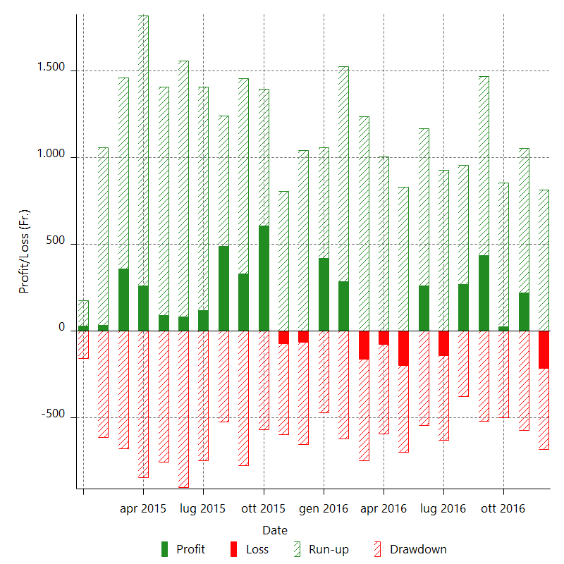

Monthly Returns & Drawdowns (%)

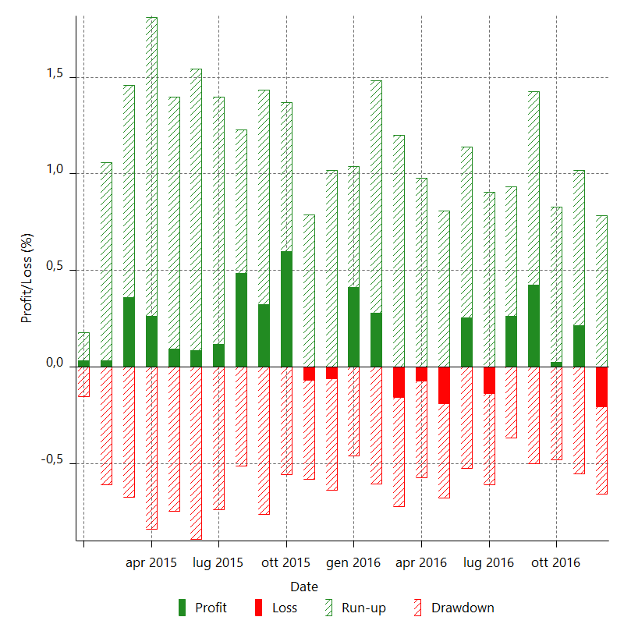

Monthly Accumulative Net Profit

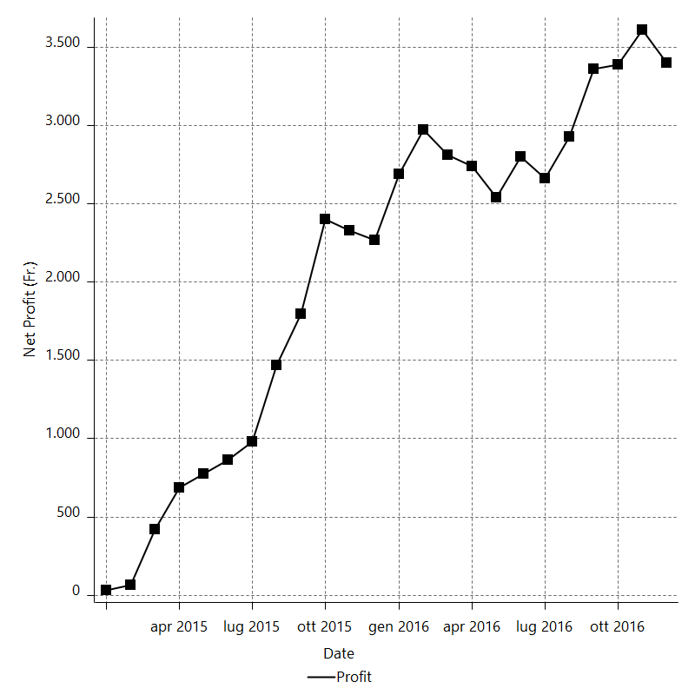

Average Profit By Month

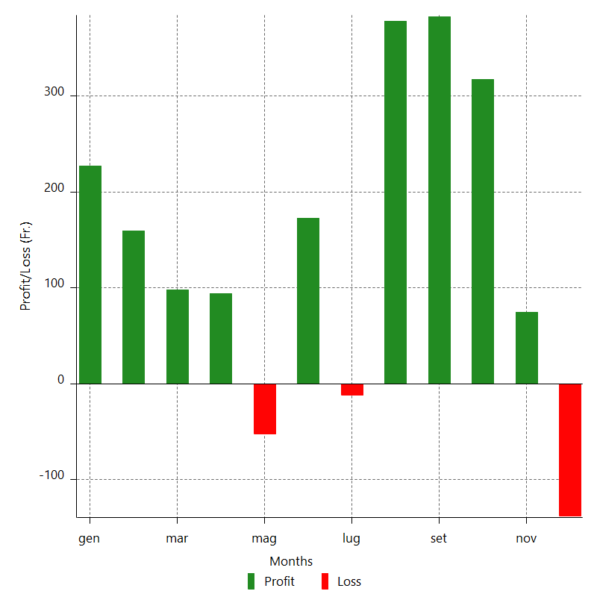

Annual Returns & Drawdowns

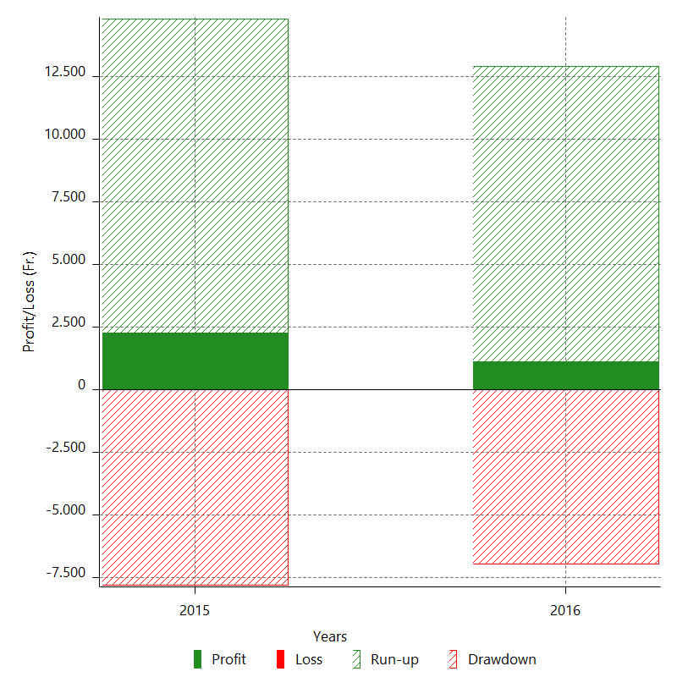

Annual Returns & Drawdowns (%)

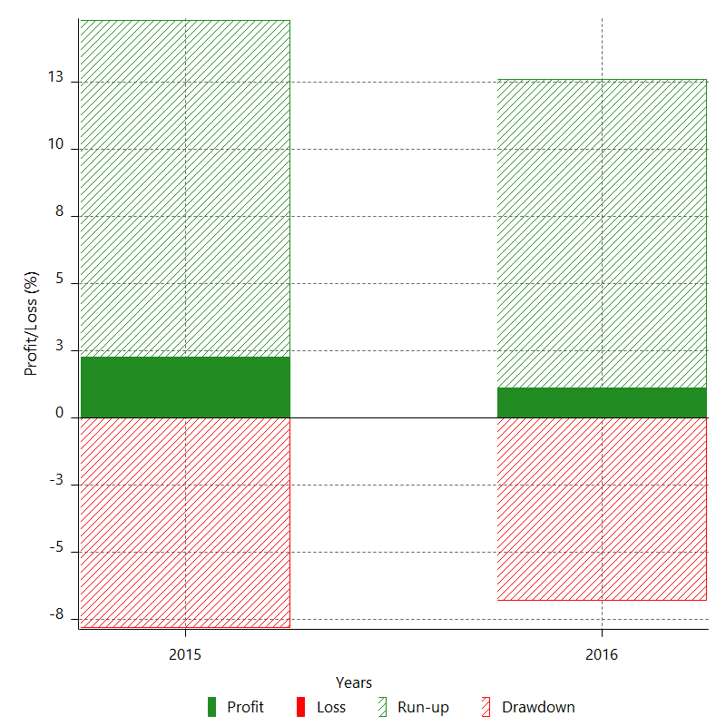

Annual Accumulative Net Profit

